Sheet1
Maximum Temperature

Cross Ranch 1921 - 1953 |  | max temp / | Smith Grove 1921 - 1953 |  | max temp / |  | Kimball Bottoms 1921 - 1953 |  |  | max temp /
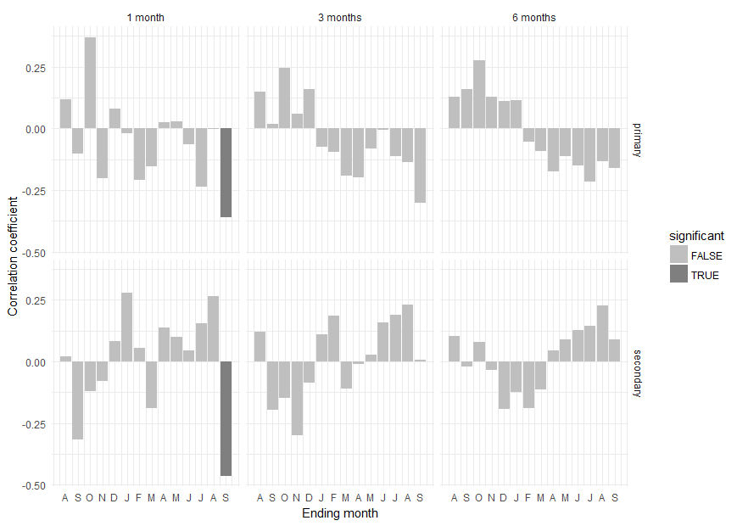
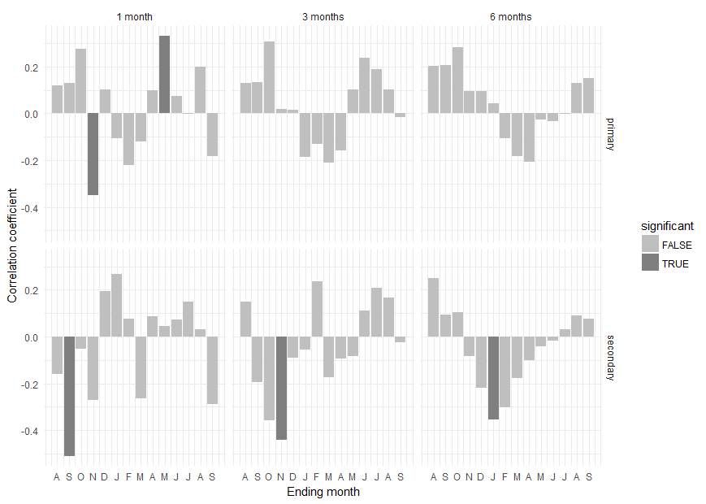
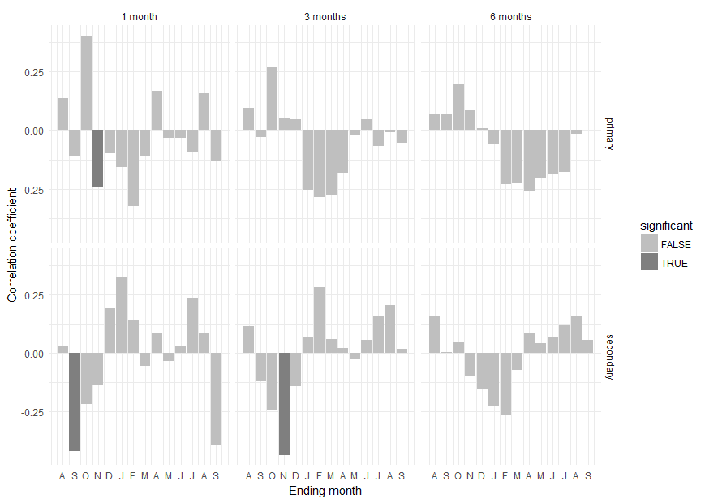

Results for a season length of 1 month: |  |  | Results for a season length of 1 month: |  |  |  | Results for a season length of 1 month:
month type coef significant |  |  | month type coef significant |  |  |  | month type coef significant
1 Aug primary 0.119764691 FALSE |  |  | 1 Aug primary 0.118585296 FALSE |  |  |  | 1 Aug primary 0.13578208 FALSE
2 Sep primary -0.102414795 FALSE |  |  | 2 Sep primary 0.129726316 FALSE |  |  |  | 2 Sep primary -0.10913310 FALSE
3 Oct primary 0.371018796 FALSE |  |  | 3 Oct primary 0.276125010 FALSE |  |  |  | 3 Oct primary 0.40460632 FALSE
4 Nov primary -0.200738449 FALSE |  |  | 4 Nov primary -0.350264759 TRUE |  |  |  | 4 Nov primary -0.24062415 TRUE
5 Dec primary 0.079461069 FALSE |  |  | 5 Dec primary 0.102495196 FALSE |  |  |  | 5 Dec primary -0.09779456 FALSE
6 JAN primary -0.020524127 FALSE |  |  | 6 JAN primary -0.105969605 FALSE |  |  |  | 6 JAN primary -0.15821772 FALSE
7 FEB primary -0.207791190 FALSE |  |  | 7 FEB primary -0.221711500 FALSE |  |  |  | 7 FEB primary -0.32263042 FALSE
8 MAR primary -0.154309988 FALSE |  |  | 8 MAR primary -0.120170568 FALSE |  |  |  | 8 MAR primary -0.11074955 FALSE
9 APR primary 0.026046181 FALSE |  |  | 9 APR primary 0.096832549 FALSE |  |  |  | 9 APR primary 0.16792854 FALSE
10 MAY primary 0.028739962 FALSE |  |  | 10 MAY primary 0.332672181 TRUE |  |  |  | 10 MAY primary -0.03244785 FALSE
11 JUN primary -0.064836853 FALSE |  |  | 11 JUN primary 0.075022653 FALSE |  |  |  | 11 JUN primary -0.03425143 FALSE
12 JUL primary -0.234657139 FALSE |  |  | 12 JUL primary -0.003160227 FALSE |  |  |  | 12 JUL primary -0.09193863 FALSE
13 AUG primary -0.003027276 FALSE |  |  | 13 AUG primary 0.198790230 FALSE |  |  |  | 13 AUG primary 0.15757930 FALSE
14 SEP primary -0.359665667 TRUE |  |  | 14 SEP primary -0.182564921 FALSE |  |  |  | 14 SEP primary -0.13254424 FALSE
15 Aug secondary 0.021359022 FALSE |  |  | 15 Aug secondary -0.159752603 FALSE |  |  |  | 15 Aug secondary 0.02650095 FALSE
16 Sep secondary -0.317910910 FALSE |  |  | 16 Sep secondary -0.511130355 TRUE |  |  |  | 16 Sep secondary -0.42032701 TRUE
17 Oct secondary -0.121080046 FALSE |  |  | 17 Oct secondary -0.052791867 FALSE |  |  |  | 17 Oct secondary -0.21665989 FALSE
18 Nov secondary -0.079549009 FALSE |  |  | 18 Nov secondary -0.270204775 FALSE |  |  |  | 18 Nov secondary -0.13725861 FALSE
19 Dec secondary 0.084380365 FALSE |  |  | 19 Dec secondary 0.192761664 FALSE |  |  |  | 19 Dec secondary 0.19122510 FALSE
20 JAN secondary 0.280405792 FALSE |  |  | 20 JAN secondary 0.268302616 FALSE |  |  |  | 20 JAN secondary 0.32276235 FALSE
21 FEB secondary 0.054175498 FALSE |  |  | 21 FEB secondary 0.074735864 FALSE |  |  |  | 21 FEB secondary 0.13725874 FALSE
22 MAR secondary -0.188936251 FALSE |  |  | 22 MAR secondary -0.265358710 FALSE |  |  |  | 22 MAR secondary -0.05429294 FALSE
23 APR secondary 0.136694648 FALSE |  |  | 23 APR secondary 0.086084274 FALSE |  |  |  | 23 APR secondary 0.08646070 FALSE
24 MAY secondary 0.099003941 FALSE |  |  | 24 MAY secondary 0.045857769 FALSE |  |  |  | 24 MAY secondary -0.03365461 FALSE
25 JUN secondary 0.045562385 FALSE |  |  | 25 JUN secondary 0.073310314 FALSE |  |  |  | 25 JUN secondary 0.03041253 FALSE
26 JUL secondary 0.155413996 FALSE |  |  | 26 JUL secondary 0.150281036 FALSE |  |  |  | 26 JUL secondary 0.23452538 FALSE
27 AUG secondary 0.265159879 FALSE |  |  | 27 AUG secondary 0.031321311 FALSE |  |  |  | 27 AUG secondary 0.08525769 FALSE
28 SEP secondary -0.464746022 TRUE |  |  | 28 SEP secondary -0.288748740 FALSE |  |  |  | 28 SEP secondary -0.39018103 FALSE

Results for a season length of 3 months: |  |  | Results for a season length of 3 months: |  |  |  | Results for a season length of 3 months:
month type coef significant |  |  | month type coef significant |  |  |  | month type coef significant
1 Aug primary 0.148718417 FALSE |  |  | 1 Aug primary 0.13102376 FALSE |  |  |  | 1 Aug primary 0.093369581 FALSE
2 Sep primary 0.017172488 FALSE |  |  | 2 Sep primary 0.13225837 FALSE |  |  |  | 2 Sep primary -0.030497519 FALSE
3 Oct primary 0.247111571 FALSE |  |  | 3 Oct primary 0.30607067 FALSE |  |  |  | 3 Oct primary 0.272962260 FALSE
4 Nov primary 0.059210746 FALSE |  |  | 4 Nov primary 0.01814963 FALSE |  |  |  | 4 Nov primary 0.051589424 FALSE
5 Dec primary 0.159821529 FALSE |  |  | 5 Dec primary 0.01448558 FALSE |  |  |  | 5 Dec primary 0.046951947 FALSE
6 JAN primary -0.075073631 FALSE |  |  | 6 JAN primary -0.18719641 FALSE |  |  |  | 6 JAN primary -0.256017743 FALSE
7 FEB primary -0.094578977 FALSE |  |  | 7 FEB primary -0.13163120 FALSE |  |  |  | 7 FEB primary -0.287275920 FALSE
8 MAR primary -0.189398276 FALSE |  |  | 8 MAR primary -0.21135756 FALSE |  |  |  | 8 MAR primary -0.275522839 FALSE
9 APR primary -0.196576947 FALSE |  |  | 9 APR primary -0.15752478 FALSE |  |  |  | 9 APR primary -0.180964177 FALSE
10 MAY primary -0.079347812 FALSE |  |  | 10 MAY primary 0.10290183 FALSE |  |  |  | 10 MAY primary -0.017678440 FALSE
11 JUN primary -0.006031423 FALSE |  |  | 11 JUN primary 0.23726053 FALSE |  |  |  | 11 JUN primary 0.044802284 FALSE
12 JUL primary -0.110468609 FALSE |  |  | 12 JUL primary 0.18786036 FALSE |  |  |  | 12 JUL primary -0.067648638 FALSE
13 AUG primary -0.137612533 FALSE |  |  | 13 AUG primary 0.10141319 FALSE |  |  |  | 13 AUG primary -0.007919986 FALSE
14 SEP primary -0.302204250 FALSE |  |  | 14 SEP primary -0.01680481 FALSE |  |  |  | 14 SEP primary -0.053881995 FALSE
15 Aug secondary 0.121897931 FALSE |  |  | 15 Aug secondary 0.14931569 FALSE |  |  |  | 15 Aug secondary 0.114020020 FALSE
16 Sep secondary -0.196450515 FALSE |  |  | 16 Sep secondary -0.19339479 FALSE |  |  |  | 16 Sep secondary -0.120500116 FALSE
17 Oct secondary -0.149182750 FALSE |  |  | 17 Oct secondary -0.35906552 FALSE |  |  |  | 17 Oct secondary -0.241671047 FALSE
18 Nov secondary -0.299688851 FALSE |  |  | 18 Nov secondary -0.44251622 TRUE |  |  |  | 18 Nov secondary -0.436674086 TRUE
19 Dec secondary -0.087177788 FALSE |  |  | 19 Dec secondary -0.09096587 FALSE |  |  |  | 19 Dec secondary -0.141229404 FALSE
20 JAN secondary 0.110782000 FALSE |  |  | 20 JAN secondary -0.05484203 FALSE |  |  |  | 20 JAN secondary 0.068126339 FALSE
21 FEB secondary 0.187241740 FALSE |  |  | 21 FEB secondary 0.23570849 FALSE |  |  |  | 21 FEB secondary 0.279416367 FALSE
22 MAR secondary -0.108501318 FALSE |  |  | 22 MAR secondary -0.17493254 FALSE |  |  |  | 22 MAR secondary 0.057431006 FALSE
23 APR secondary -0.010511590 FALSE |  |  | 23 APR secondary -0.09238641 FALSE |  |  |  | 23 APR secondary 0.020631813 FALSE
24 MAY secondary 0.026150888 FALSE |  |  | 24 MAY secondary -0.08206934 FALSE |  |  |  | 24 MAY secondary -0.024415896 FALSE
25 JUN secondary 0.157462078 FALSE |  |  | 25 JUN secondary 0.10986589 FALSE |  |  |  | 25 JUN secondary 0.056904127 FALSE
26 JUL secondary 0.189282614 FALSE |  |  | 26 JUL secondary 0.20844624 FALSE |  |  |  | 26 JUL secondary 0.155786077 FALSE
27 AUG secondary 0.229357977 FALSE |  |  | 27 AUG secondary 0.16812028 FALSE |  |  |  | 27 AUG secondary 0.203050070 FALSE
28 SEP secondary 0.007321056 FALSE |  |  | 28 SEP secondary -0.02420494 FALSE |  |  |  | 28 SEP secondary 0.018290238 FALSE

Results for a season length of 6 months: |  |  | Results for a season length of 6 months: |  |  |  | Results for a season length of 6 months:
month type coef significant |  |  | month type coef significant |  |  |  | month type coef significant
1 Aug primary 0.13030361 FALSE |  |  | 1 Aug primary 0.2012734265 FALSE |  |  |  | 1 Aug primary 0.069115061 FALSE
2 Sep primary 0.16003563 FALSE |  |  | 2 Sep primary 0.2069512907 FALSE |  |  |  | 2 Sep primary 0.068072456 FALSE
3 Oct primary 0.27672778 FALSE |  |  | 3 Oct primary 0.2809877081 FALSE |  |  |  | 3 Oct primary 0.197962551 FALSE
4 Nov primary 0.12744086 FALSE |  |  | 4 Nov primary 0.0945055920 FALSE |  |  |  | 4 Nov primary 0.087542397 FALSE
5 Dec primary 0.11045303 FALSE |  |  | 5 Dec primary 0.0937161514 FALSE |  |  |  | 5 Dec primary 0.009686257 FALSE
6 JAN primary 0.11347231 FALSE |  |  | 6 JAN primary 0.0415651547 FALSE |  |  |  | 6 JAN primary -0.056511751 FALSE
7 FEB primary -0.05211399 FALSE |  |  | 7 FEB primary -0.1078678102 FALSE |  |  |  | 7 FEB primary -0.228826201 FALSE
8 MAR primary -0.09199025 FALSE |  |  | 8 MAR primary -0.1814093496 FALSE |  |  |  | 8 MAR primary -0.222993007 FALSE
9 APR primary -0.17266685 FALSE |  |  | 9 APR primary -0.2062081353 FALSE |  |  |  | 9 APR primary -0.258769664 FALSE
10 MAY primary -0.11243064 FALSE |  |  | 10 MAY primary -0.0258446290 FALSE |  |  |  | 10 MAY primary -0.204744303 FALSE
11 JUN primary -0.15100804 FALSE |  |  | 11 JUN primary -0.0320267677 FALSE |  |  |  | 11 JUN primary -0.189704721 FALSE
12 JUL primary -0.21595085 FALSE |  |  | 12 JUL primary -0.0008028046 FALSE |  |  |  | 12 JUL primary -0.177581131 FALSE
13 AUG primary -0.13341670 FALSE |  |  | 13 AUG primary 0.1287113487 FALSE |  |  |  | 13 AUG primary -0.016647658 FALSE
14 SEP primary -0.15995696 FALSE |  |  | 14 SEP primary 0.1492199809 FALSE |  |  |  | 14 SEP primary 0.002010778 FALSE
15 Aug secondary 0.10203456 FALSE |  |  | 15 Aug secondary 0.2508133116 FALSE |  |  |  | 15 Aug secondary 0.160240298 FALSE
16 Sep secondary -0.02025498 FALSE |  |  | 16 Sep secondary 0.0948285308 FALSE |  |  |  | 16 Sep secondary 0.003192898 FALSE
17 Oct secondary 0.08077988 FALSE |  |  | 17 Oct secondary 0.1045090143 FALSE |  |  |  | 17 Oct secondary 0.044154147 FALSE
18 Nov secondary -0.03403097 FALSE |  |  | 18 Nov secondary -0.0848743274 FALSE |  |  |  | 18 Nov secondary -0.101770735 FALSE
19 Dec secondary -0.19235802 FALSE |  |  | 19 Dec secondary -0.2182541120 FALSE |  |  |  | 19 Dec secondary -0.155396815 FALSE
20 JAN secondary -0.12289651 FALSE |  |  | 20 JAN secondary -0.3542530923 TRUE |  |  |  | 20 JAN secondary -0.228378870 FALSE
21 FEB secondary -0.19027897 FALSE |  |  | 21 FEB secondary -0.3014994132 FALSE |  |  |  | 21 FEB secondary -0.261349847 FALSE
22 MAR secondary -0.11174754 FALSE |  |  | 22 MAR secondary -0.1777777575 FALSE |  |  |  | 22 MAR secondary -0.074083046 FALSE
23 APR secondary 0.04413191 FALSE |  |  | 23 APR secondary -0.1012968421 FALSE |  |  |  | 23 APR secondary 0.087759951 FALSE
24 MAY secondary 0.08957639 FALSE |  |  | 24 MAY secondary -0.0416393821 FALSE |  |  |  | 24 MAY secondary 0.041348623 FALSE
25 JUN secondary 0.12770723 FALSE |  |  | 25 JUN secondary -0.0170957384 FALSE |  |  |  | 25 JUN secondary 0.067358775 FALSE
26 JUL secondary 0.14356611 FALSE |  |  | 26 JUL secondary 0.0325840362 FALSE |  |  |  | 26 JUL secondary 0.119784628 FALSE
27 AUG secondary 0.22600493 FALSE |  |  | 27 AUG secondary 0.0886309245 FALSE |  |  |  | 27 AUG secondary 0.159571521 FALSE
28 SEP secondary 0.08995031 FALSE |  |  | 28 SEP secondary 0.0759375283 FALSE |  |  |  | 28 SEP secondary 0.054223834 FALSE

Cross Ranch 1954 - 2014 | Max temp / |  | Smith Grove 1954 - 2014 | Max temp / |  |  | Kimball Bottoms 1954 - 2014 |  | Max temp /
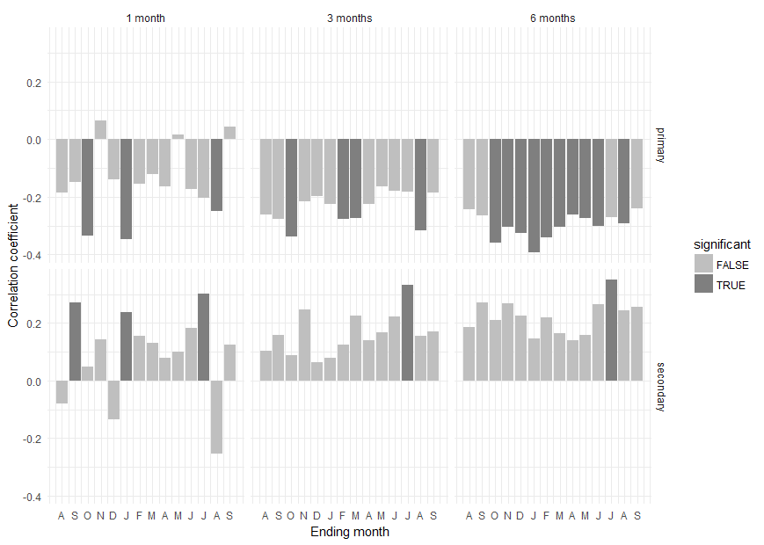
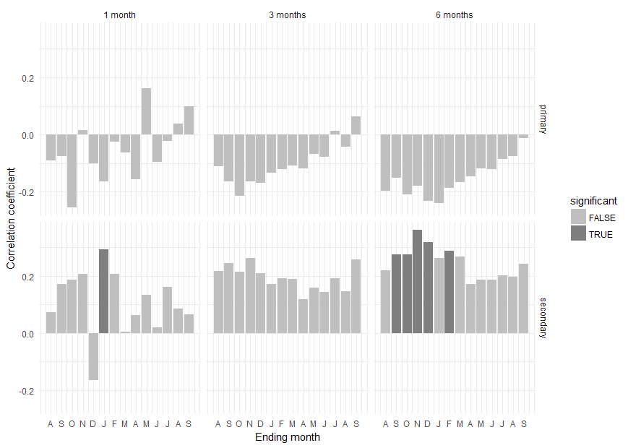
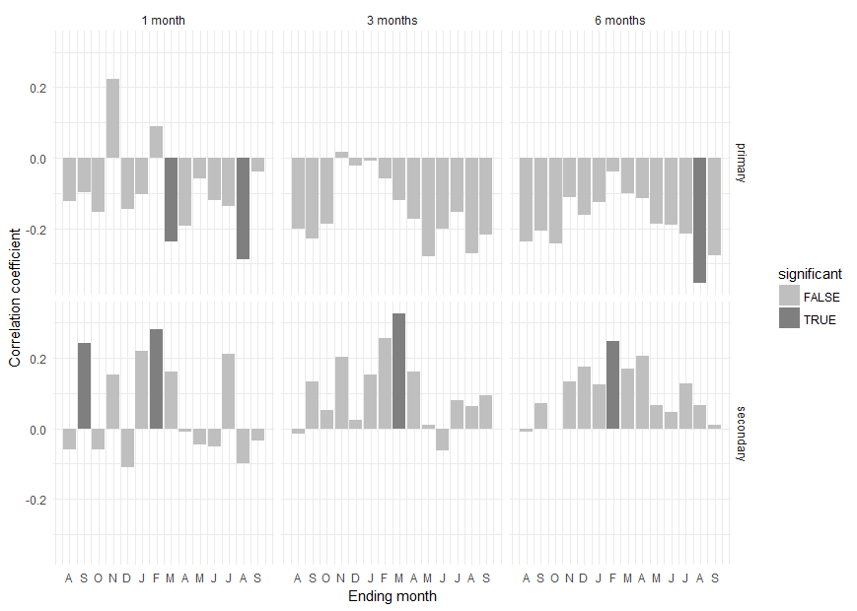

Results for a season length of 1 month: |  |  | Results for a season length of 1 month: |  |  |  | Results for a season length of 1 month:
month type coef significant |  |  | month type coef significant |  |  |  | month type coef significant
1 Aug primary -0.18613327 FALSE |  |  | 1 Aug primary -0.091197857 FALSE |  |  |  | 1 Aug primary -0.121894024 FALSE
2 Sep primary -0.15023890 FALSE |  |  | 2 Sep primary -0.075790721 FALSE |  |  |  | 2 Sep primary -0.098169551 FALSE
3 Oct primary -0.33417907 TRUE |  |  | 3 Oct primary -0.254311005 FALSE |  |  |  | 3 Oct primary -0.154702288 FALSE
4 Nov primary 0.06577376 FALSE |  |  | 4 Nov primary 0.016131181 FALSE |  |  |  | 4 Nov primary 0.222628731 FALSE
5 Dec primary -0.14060032 FALSE |  |  | 5 Dec primary -0.102264084 FALSE |  |  |  | 5 Dec primary -0.144958603 FALSE
6 JAN primary -0.34713517 TRUE |  |  | 6 JAN primary -0.163916552 FALSE |  |  |  | 6 JAN primary -0.102573791 FALSE
7 FEB primary -0.15477610 FALSE |  |  | 7 FEB primary -0.024329739 FALSE |  |  |  | 7 FEB primary 0.090303051 FALSE
8 MAR primary -0.12260932 FALSE |  |  | 8 MAR primary -0.062645745 FALSE |  |  |  | 8 MAR primary -0.238365222 TRUE
9 APR primary -0.16369376 FALSE |  |  | 9 APR primary -0.155696898 FALSE |  |  |  | 9 APR primary -0.191878759 FALSE
10 MAY primary 0.01458784 FALSE |  |  | 10 MAY primary 0.162395098 FALSE |  |  |  | 10 MAY primary -0.058796120 FALSE
11 JUN primary -0.17292362 FALSE |  |  | 11 JUN primary -0.097188678 FALSE |  |  |  | 11 JUN primary -0.119124681 FALSE
12 JUL primary -0.20376831 FALSE |  |  | 12 JUL primary -0.021501483 FALSE |  |  |  | 12 JUL primary -0.136708010 FALSE
13 AUG primary -0.24983313 TRUE |  |  | 13 AUG primary 0.037576686 FALSE |  |  |  | 13 AUG primary -0.288088818 TRUE
14 SEP primary 0.04369915 FALSE |  |  | 14 SEP primary 0.098935715 FALSE |  |  |  | 14 SEP primary -0.038359443 FALSE
15 Aug secondary -0.07963577 FALSE |  |  | 15 Aug secondary 0.072852428 FALSE |  |  |  | 15 Aug secondary -0.060162011 FALSE
16 Sep secondary 0.27234396 TRUE |  |  | 16 Sep secondary 0.170573332 FALSE |  |  |  | 16 Sep secondary 0.241175130 TRUE
17 Oct secondary 0.04696826 FALSE |  |  | 17 Oct secondary 0.185064227 FALSE |  |  |  | 17 Oct secondary -0.060430106 FALSE
18 Nov secondary 0.14377009 FALSE |  |  | 18 Nov secondary 0.205939435 FALSE |  |  |  | 18 Nov secondary 0.153175833 FALSE
19 Dec secondary -0.13577728 FALSE |  |  | 19 Dec secondary -0.164627976 FALSE |  |  |  | 19 Dec secondary -0.109705475 FALSE
20 JAN secondary 0.23819126 TRUE |  |  | 20 JAN secondary 0.293396155 TRUE |  |  |  | 20 JAN secondary 0.219826570 FALSE
21 FEB secondary 0.15623436 FALSE |  |  | 21 FEB secondary 0.206326449 FALSE |  |  |  | 21 FEB secondary 0.282020193 TRUE
22 MAR secondary 0.13005814 FALSE |  |  | 22 MAR secondary 0.003757914 FALSE |  |  |  | 22 MAR secondary 0.161396198 FALSE
23 APR secondary 0.07760491 FALSE |  |  | 23 APR secondary 0.063072471 FALSE |  |  |  | 23 APR secondary -0.008348627 FALSE
24 MAY secondary 0.10071044 FALSE |  |  | 24 MAY secondary 0.132240338 FALSE |  |  |  | 24 MAY secondary -0.045926828 FALSE
25 JUN secondary 0.18156266 FALSE |  |  | 25 JUN secondary 0.020548835 FALSE |  |  |  | 25 JUN secondary -0.052505973 FALSE
26 JUL secondary 0.30268203 TRUE |  |  | 26 JUL secondary 0.160203355 FALSE |  |  |  | 26 JUL secondary 0.212430237 FALSE
27 AUG secondary -0.25231721 FALSE |  |  | 27 AUG secondary 0.085429053 FALSE |  |  |  | 27 AUG secondary -0.098877819 FALSE
28 SEP secondary 0.12611448 FALSE |  |  | 28 SEP secondary 0.066078829 FALSE |  |  |  | 28 SEP secondary -0.033973900 FALSE

Results for a season length of 3 months: |  |  | Results for a season length of 3 months: |  |  |  | Results for a season length of 3 months:
month type coef significant |  |  | month type coef significant |  |  |  | month type coef significant
1 Aug primary -0.26166111 FALSE |  |  | 1 Aug primary -0.11156411 FALSE |  |  |  | 1 Aug primary -0.201425411 FALSE
2 Sep primary -0.27593966 FALSE |  |  | 2 Sep primary -0.16348123 FALSE |  |  |  | 2 Sep primary -0.228531414 FALSE
3 Oct primary -0.33883739 TRUE |  |  | 3 Oct primary -0.21469825 FALSE |  |  |  | 3 Oct primary -0.188171606 FALSE
4 Nov primary -0.21525256 FALSE |  |  | 4 Nov primary -0.16526223 FALSE |  |  |  | 4 Nov primary 0.016093158 FALSE
5 Dec primary -0.19803244 FALSE |  |  | 5 Dec primary -0.16853101 FALSE |  |  |  | 5 Dec primary -0.021941699 FALSE
6 JAN primary -0.22380914 FALSE |  |  | 6 JAN primary -0.13310355 FALSE |  |  |  | 6 JAN primary -0.009355047 FALSE
7 FEB primary -0.27769547 TRUE |  |  | 7 FEB primary -0.12218270 FALSE |  |  |  | 7 FEB primary -0.058477289 FALSE
8 MAR primary -0.27461899 TRUE |  |  | 8 MAR primary -0.10894425 FALSE |  |  |  | 8 MAR primary -0.118691662 FALSE
9 APR primary -0.22562208 FALSE |  |  | 9 APR primary -0.11776274 FALSE |  |  |  | 9 APR primary -0.172662655 FALSE
10 MAY primary -0.16264069 FALSE |  |  | 10 MAY primary -0.06896015 FALSE |  |  |  | 10 MAY primary -0.279512199 FALSE
11 JUN primary -0.17831699 FALSE |  |  | 11 JUN primary -0.07793770 FALSE |  |  |  | 11 JUN primary -0.201112425 FALSE
12 JUL primary -0.18140471 FALSE |  |  | 12 JUL primary 0.01182724 FALSE |  |  |  | 12 JUL primary -0.153250691 FALSE
13 AUG primary -0.31550257 TRUE |  |  | 13 AUG primary -0.04404287 FALSE |  |  |  | 13 AUG primary -0.270682025 FALSE
14 SEP primary -0.18636239 FALSE |  |  | 14 SEP primary 0.06391508 FALSE |  |  |  | 14 SEP primary -0.218416240 FALSE
15 Aug secondary 0.10327442 FALSE |  |  | 15 Aug secondary 0.21783178 FALSE |  |  |  | 15 Aug secondary -0.015195398 FALSE
16 Sep secondary 0.15911193 FALSE |  |  | 16 Sep secondary 0.24456700 FALSE |  |  |  | 16 Sep secondary 0.132604136 FALSE
17 Oct secondary 0.08786989 FALSE |  |  | 17 Oct secondary 0.21481148 FALSE |  |  |  | 17 Oct secondary 0.051099397 FALSE
18 Nov secondary 0.24805499 FALSE |  |  | 18 Nov secondary 0.26320582 FALSE |  |  |  | 18 Nov secondary 0.203073056 FALSE
19 Dec secondary 0.06373470 FALSE |  |  | 19 Dec secondary 0.20800883 FALSE |  |  |  | 19 Dec secondary 0.023194843 FALSE
20 JAN secondary 0.07967722 FALSE |  |  | 20 JAN secondary 0.17152723 FALSE |  |  |  | 20 JAN secondary 0.153708526 FALSE
21 FEB secondary 0.12352610 FALSE |  |  | 21 FEB secondary 0.19164489 FALSE |  |  |  | 21 FEB secondary 0.256690963 FALSE
22 MAR secondary 0.22601527 FALSE |  |  | 22 MAR secondary 0.18879290 FALSE |  |  |  | 22 MAR secondary 0.325292960 TRUE
23 APR secondary 0.14031536 FALSE |  |  | 23 APR secondary 0.11812968 FALSE |  |  |  | 23 APR secondary 0.161256214 FALSE
24 MAY secondary 0.16862211 FALSE |  |  | 24 MAY secondary 0.15804302 FALSE |  |  |  | 24 MAY secondary 0.009265774 FALSE
25 JUN secondary 0.22209177 FALSE |  |  | 25 JUN secondary 0.14405631 FALSE |  |  |  | 25 JUN secondary -0.063462264 FALSE
26 JUL secondary 0.33322704 TRUE |  |  | 26 JUL secondary 0.19018311 FALSE |  |  |  | 26 JUL secondary 0.079585390 FALSE
27 AUG secondary 0.15485581 FALSE |  |  | 27 AUG secondary 0.14574907 FALSE |  |  |  | 27 AUG secondary 0.063672937 FALSE
28 SEP secondary 0.16942751 FALSE |  |  | 28 SEP secondary 0.25597964 FALSE |  |  |  | 28 SEP secondary 0.092709475 FALSE

Results for a season length of 6 months: |  |  | Results for a season length of 6 months: |  |  |  | Results for a season length of 6 months:
month type coef significant |  |  | month type coef significant |  |  |  | month type coef significant
1 Aug primary -0.2421759 FALSE |  |  | 1 Aug primary -0.19708607 FALSE |  |  |  | 1 Aug primary -0.238380535 FALSE
2 Sep primary -0.2661020 FALSE |  |  | 2 Sep primary -0.15173680 FALSE |  |  |  | 2 Sep primary -0.205326600 FALSE
3 Oct primary -0.3597059 TRUE |  |  | 3 Oct primary -0.20984174 FALSE |  |  |  | 3 Oct primary -0.241896476 FALSE
4 Nov primary -0.3035203 TRUE |  |  | 4 Nov primary -0.17907188 FALSE |  |  |  | 4 Nov primary -0.110794883 FALSE
5 Dec primary -0.3256300 TRUE |  |  | 5 Dec primary -0.23144339 FALSE |  |  |  | 5 Dec primary -0.162805693 FALSE
6 JAN primary -0.3915899 TRUE |  |  | 6 JAN primary -0.24125352 FALSE |  |  |  | 6 JAN primary -0.126796963 FALSE
7 FEB primary -0.3418860 TRUE |  |  | 7 FEB primary -0.18695568 FALSE |  |  |  | 7 FEB primary -0.040193094 FALSE
8 MAR primary -0.3055414 TRUE |  |  | 8 MAR primary -0.16705125 FALSE |  |  |  | 8 MAR primary -0.099627110 FALSE
9 APR primary -0.2626529 TRUE |  |  | 9 APR primary -0.14584937 FALSE |  |  |  | 9 APR primary -0.113927707 FALSE
10 MAY primary -0.2750910 TRUE |  |  | 10 MAY primary -0.11966396 FALSE |  |  |  | 10 MAY primary -0.187436616 FALSE
11 JUN primary -0.2999625 TRUE |  |  | 11 JUN primary -0.12245478 FALSE |  |  |  | 11 JUN primary -0.189215207 FALSE
12 JUL primary -0.2698300 FALSE |  |  | 12 JUL primary -0.08656663 FALSE |  |  |  | 12 JUL primary -0.213844462 FALSE
13 AUG primary -0.2908861 TRUE |  |  | 13 AUG primary -0.07490573 FALSE |  |  |  | 13 AUG primary -0.353355866 TRUE
14 SEP primary -0.2404696 FALSE |  |  | 14 SEP primary -0.01187309 FALSE |  |  |  | 14 SEP primary -0.276488546 FALSE
15 Aug secondary 0.1865407 FALSE |  |  | 15 Aug secondary 0.21883089 FALSE |  |  |  | 15 Aug secondary -0.009582150 FALSE
16 Sep secondary 0.2724636 FALSE |  |  | 16 Sep secondary 0.27459973 TRUE |  |  |  | 16 Sep secondary 0.072385592 FALSE
17 Oct secondary 0.2102102 FALSE |  |  | 17 Oct secondary 0.27438619 TRUE |  |  |  | 17 Oct secondary -0.001943582 FALSE
18 Nov secondary 0.2691198 FALSE |  |  | 18 Nov secondary 0.36043147 TRUE |  |  |  | 18 Nov secondary 0.132086307 FALSE
19 Dec secondary 0.2239362 FALSE |  |  | 19 Dec secondary 0.31877266 TRUE |  |  |  | 19 Dec secondary 0.174249205 FALSE
20 JAN secondary 0.1459160 FALSE |  |  | 20 JAN secondary 0.26273289 FALSE |  |  |  | 20 JAN secondary 0.125008630 FALSE
21 FEB secondary 0.2200163 FALSE |  |  | 21 FEB secondary 0.28725075 TRUE |  |  |  | 21 FEB secondary 0.246647475 TRUE
22 MAR secondary 0.1636711 FALSE |  |  | 22 MAR secondary 0.26620052 FALSE |  |  |  | 22 MAR secondary 0.169468187 FALSE
23 APR secondary 0.1399037 FALSE |  |  | 23 APR secondary 0.17163526 FALSE |  |  |  | 23 APR secondary 0.206360187 FALSE
24 MAY secondary 0.1575966 FALSE |  |  | 24 MAY secondary 0.18683624 FALSE |  |  |  | 24 MAY secondary 0.065342003 FALSE
25 JUN secondary 0.2642133 FALSE |  |  | 25 JUN secondary 0.18577873 FALSE |  |  |  | 25 JUN secondary 0.045771076 FALSE
26 JUL secondary 0.3500499 TRUE |  |  | 26 JUL secondary 0.20156778 FALSE |  |  |  | 26 JUL secondary 0.126607349 FALSE
27 AUG secondary 0.2441145 FALSE |  |  | 27 AUG secondary 0.19732415 FALSE |  |  |  | 27 AUG secondary 0.067090083 FALSE
28 SEP secondary 0.2574386 FALSE |  |  | 28 SEP secondary 0.24242382 FALSE |  |  |  | 28 SEP secondary 0.010970933 FALSE

Precipitation
Cross Ranch 1921 - 1953 |  | Precipitation / Max T | Smith Grove 1921 - 1953 |  | Precipitation / Max Temp |  | Kimball Bottoms 1921 - 1953 |  | Precipitation / Max Temp
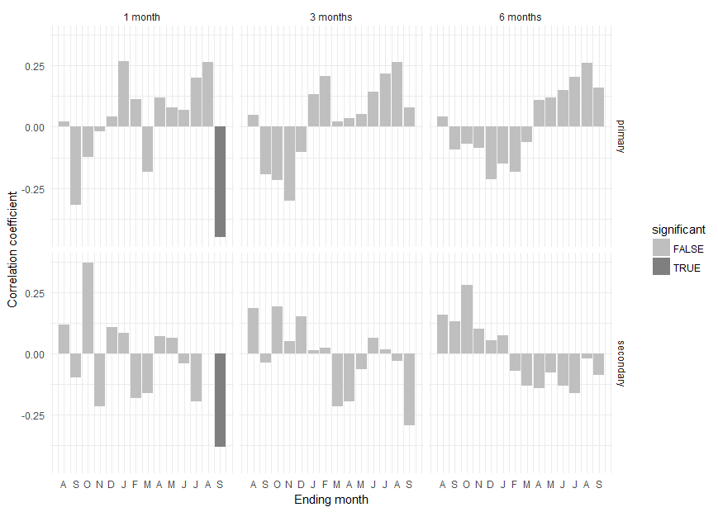
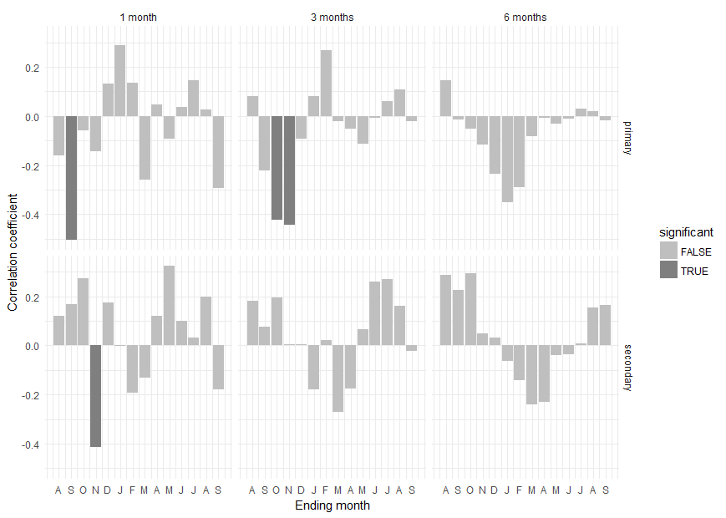
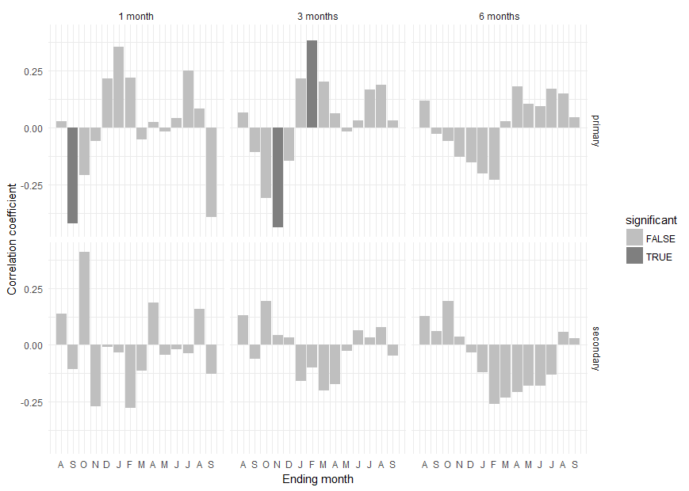

 |  |  | Results for a season length of 1 month: |  |  |  | Results for a season length of 1 month:
Results for a season length of 1 month: |  |  | month type coef significant |  |  |  | month type coef significant
month type coef significant |  |  | 1 Aug primary -0.158809056 FALSE |  |  |  | 1 Aug primary 0.026044938 FALSE
1 Aug primary 0.021019553 FALSE |  |  | 2 Sep primary -0.502328854 TRUE |  |  |  | 2 Sep primary -0.421141603 TRUE
2 Sep primary -0.319399762 FALSE |  |  | 3 Oct primary -0.057770092 FALSE |  |  |  | 3 Oct primary -0.208395256 FALSE
3 Oct primary -0.121870447 FALSE |  |  | 4 Nov primary -0.142518655 FALSE |  |  |  | 4 Nov primary -0.058959837 FALSE
4 Nov primary -0.017357300 FALSE |  |  | 5 Dec primary 0.131192611 FALSE |  |  |  | 5 Dec primary 0.213771576 FALSE
5 Dec primary 0.043101393 FALSE |  |  | 6 JAN primary 0.287055911 FALSE |  |  |  | 6 JAN primary 0.354320842 FALSE
6 JAN primary 0.268855043 FALSE |  |  | 7 FEB primary 0.135863556 FALSE |  |  |  | 7 FEB primary 0.220484190 FALSE
7 FEB primary 0.112726969 FALSE |  |  | 8 MAR primary -0.260116780 FALSE |  |  |  | 8 MAR primary -0.050968174 FALSE
8 MAR primary -0.182466010 FALSE |  |  | 9 APR primary 0.047502772 FALSE |  |  |  | 9 APR primary 0.022826940 FALSE
9 APR primary 0.119563446 FALSE |  |  | 10 MAY primary -0.091063794 FALSE |  |  |  | 10 MAY primary -0.018166425 FALSE
10 MAY primary 0.079687346 FALSE |  |  | 11 JUN primary 0.035533425 FALSE |  |  |  | 11 JUN primary 0.041838579 FALSE
11 JUN primary 0.068209914 FALSE |  |  | 12 JUL primary 0.146857515 FALSE |  |  |  | 12 JUL primary 0.248551203 FALSE
12 JUL primary 0.201729688 FALSE |  |  | 13 AUG primary 0.027681163 FALSE |  |  |  | 13 AUG primary 0.081795640 FALSE
13 AUG primary 0.265174096 FALSE |  |  | 14 SEP primary -0.291632660 FALSE |  |  |  | 14 SEP primary -0.392181480 FALSE
14 SEP primary -0.449008612 TRUE |  |  | 15 Aug secondary 0.119860298 FALSE |  |  |  | 15 Aug secondary 0.135868719 FALSE
15 Aug secondary 0.119823901 FALSE |  |  | 16 Sep secondary 0.168992768 FALSE |  |  |  | 16 Sep secondary -0.105293480 FALSE
16 Sep secondary -0.097176211 FALSE |  |  | 17 Oct secondary 0.275199713 FALSE |  |  |  | 17 Oct secondary 0.408383998 FALSE
17 Oct secondary 0.370792201 FALSE |  |  | 18 Nov secondary -0.412162102 TRUE |  |  |  | 18 Nov secondary -0.269118160 FALSE
18 Nov secondary -0.214666213 FALSE |  |  | 19 Dec secondary 0.174891180 FALSE |  |  |  | 19 Dec secondary -0.009315261 FALSE
19 Dec secondary 0.107484339 FALSE |  |  | 20 JAN secondary -0.002636934 FALSE |  |  |  | 20 JAN secondary -0.034772266 FALSE
20 JAN secondary 0.085188349 FALSE |  |  | 21 FEB secondary -0.191533658 FALSE |  |  |  | 21 FEB secondary -0.275777465 FALSE
21 FEB secondary -0.183592998 FALSE |  |  | 22 MAR secondary -0.131729660 FALSE |  |  |  | 22 MAR secondary -0.112303333 FALSE
22 MAR secondary -0.161982116 FALSE |  |  | 23 APR secondary 0.120389999 FALSE |  |  |  | 23 APR secondary 0.186980714 FALSE
23 APR secondary 0.071617445 FALSE |  |  | 24 MAY secondary 0.324222281 FALSE |  |  |  | 24 MAY secondary -0.043068509 FALSE
24 MAY secondary 0.065550606 FALSE |  |  | 25 JUN secondary 0.098601230 FALSE |  |  |  | 25 JUN secondary -0.018631659 FALSE
25 JUN secondary -0.040323620 FALSE |  |  | 26 JUL secondary 0.032398453 FALSE |  |  |  | 26 JUL secondary -0.035945326 FALSE
26 JUL secondary -0.196901964 FALSE |  |  | 27 AUG secondary 0.199308816 FALSE |  |  |  | 27 AUG secondary 0.159370694 FALSE
27 AUG secondary 0.001026776 FALSE |  |  | 28 SEP secondary -0.177655743 FALSE |  |  |  | 28 SEP secondary -0.125502655 FALSE
28 SEP secondary -0.380842268 TRUE
 |  |  | Results for a season length of 3 months: |  |  |  | Results for a season length of 3 months:
Results for a season length of 3 months: |  |  | month type coef significant |  |  |  | month type coef significant
month type coef significant |  |  | 1 Aug primary 0.081087022 FALSE |  |  |  | 1 Aug primary 0.06510825 FALSE
1 Aug primary 0.04875695 FALSE |  |  | 2 Sep primary -0.220114405 FALSE |  |  |  | 2 Sep primary -0.10787631 FALSE
2 Sep primary -0.19384522 FALSE |  |  | 3 Oct primary -0.422872617 TRUE |  |  |  | 3 Oct primary -0.30871095 FALSE
3 Oct primary -0.21714874 FALSE |  |  | 4 Nov primary -0.442796743 TRUE |  |  |  | 4 Nov primary -0.43751282 TRUE
4 Nov primary -0.30089495 FALSE |  |  | 5 Dec primary -0.091942215 FALSE |  |  |  | 5 Dec primary -0.14502065 FALSE
5 Dec primary -0.10141909 FALSE |  |  | 6 JAN primary 0.079552330 FALSE |  |  |  | 6 JAN primary 0.21543933 FALSE
6 JAN primary 0.13284289 FALSE |  |  | 7 FEB primary 0.267428796 FALSE |  |  |  | 7 FEB primary 0.38204906 TRUE
7 FEB primary 0.20755684 FALSE |  |  | 8 MAR primary -0.019434161 FALSE |  |  |  | 8 MAR primary 0.20282404 FALSE
8 MAR primary 0.02088167 FALSE |  |  | 9 APR primary -0.052899919 FALSE |  |  |  | 9 APR primary 0.06103077 FALSE
9 APR primary 0.03480056 FALSE |  |  | 10 MAY primary -0.112718295 FALSE |  |  |  | 10 MAY primary -0.01659421 FALSE
10 MAY primary 0.05241503 FALSE |  |  | 11 JUN primary -0.005806658 FALSE |  |  |  | 11 JUN primary 0.03202257 FALSE
11 JUN primary 0.14471812 FALSE |  |  | 12 JUL primary 0.060773921 FALSE |  |  |  | 12 JUL primary 0.16622269 FALSE
12 JUL primary 0.21751593 FALSE |  |  | 13 AUG primary 0.109479846 FALSE |  |  |  | 13 AUG primary 0.18773124 FALSE
13 AUG primary 0.26391234 FALSE |  |  | 14 SEP primary -0.019476548 FALSE |  |  |  | 14 SEP primary 0.03062790 FALSE
14 SEP primary 0.07909901 FALSE |  |  | 15 Aug secondary 0.180885836 FALSE |  |  |  | 15 Aug secondary 0.13206041 FALSE
15 Aug secondary 0.18534307 FALSE |  |  | 16 Sep secondary 0.078000012 FALSE |  |  |  | 16 Sep secondary -0.06200250 FALSE
16 Sep secondary -0.03675755 FALSE |  |  | 17 Oct secondary 0.196501887 FALSE |  |  |  | 17 Oct secondary 0.19173619 FALSE
17 Oct secondary 0.19112701 FALSE |  |  | 18 Nov secondary 0.004537162 FALSE |  |  |  | 18 Nov secondary 0.04191778 FALSE
18 Nov secondary 0.05207911 FALSE |  |  | 19 Dec secondary 0.005455862 FALSE |  |  |  | 19 Dec secondary 0.03314166 FALSE
19 Dec secondary 0.15132237 FALSE |  |  | 20 JAN secondary -0.178374707 FALSE |  |  |  | 20 JAN secondary -0.15687649 FALSE
20 JAN secondary 0.01399118 FALSE |  |  | 21 FEB secondary 0.020871291 FALSE |  |  |  | 21 FEB secondary -0.09796463 FALSE
21 FEB secondary 0.02527276 FALSE |  |  | 22 MAR secondary -0.271212975 FALSE |  |  |  | 22 MAR secondary -0.19860989 FALSE
22 MAR secondary -0.21634765 FALSE |  |  | 23 APR secondary -0.174425477 FALSE |  |  |  | 23 APR secondary -0.17188676 FALSE
23 APR secondary -0.19386376 FALSE |  |  | 24 MAY secondary 0.067867156 FALSE |  |  |  | 24 MAY secondary -0.02516512 FALSE
24 MAY secondary -0.06511491 FALSE |  |  | 25 JUN secondary 0.260100281 FALSE |  |  |  | 25 JUN secondary 0.06494386 FALSE
25 JUN secondary 0.06300465 FALSE |  |  | 26 JUL secondary 0.271637626 FALSE |  |  |  | 26 JUL secondary 0.03370428 FALSE
26 JUL secondary 0.01716885 FALSE |  |  | 27 AUG secondary 0.163068250 FALSE |  |  |  | 27 AUG secondary 0.07916648 FALSE
27 AUG secondary -0.03104000 FALSE |  |  | 28 SEP secondary -0.022112545 FALSE |  |  |  | 28 SEP secondary -0.04796792 FALSE
28 SEP secondary -0.29266940 FALSE
 |  |  | Results for a season length of 6 months: |  |  |  | Results for a season length of 6 months:
Results for a season length of 6 months: |  |  | month type coef significant |  |  |  | month type coef significant
month type coef significant |  |  | 1 Aug primary 0.144307129 FALSE |  |  |  | 1 Aug primary 0.11870633 FALSE
1 Aug primary 0.04039769 FALSE |  |  | 2 Sep primary -0.013254813 FALSE |  |  |  | 2 Sep primary -0.02860360 FALSE
2 Sep primary -0.09162421 FALSE |  |  | 3 Oct primary -0.051759347 FALSE |  |  |  | 3 Oct primary -0.06026638 FALSE
3 Oct primary -0.06936045 FALSE |  |  | 4 Nov primary -0.116885090 FALSE |  |  |  | 4 Nov primary -0.12914573 FALSE
4 Nov primary -0.08519862 FALSE |  |  | 5 Dec primary -0.234747317 FALSE |  |  |  | 5 Dec primary -0.15199550 FALSE
5 Dec primary -0.21429043 FALSE |  |  | 6 JAN primary -0.351345665 FALSE |  |  |  | 6 JAN primary -0.20290766 FALSE
6 JAN primary -0.14909340 FALSE |  |  | 7 FEB primary -0.288332884 FALSE |  |  |  | 7 FEB primary -0.23188971 FALSE
7 FEB primary -0.18431088 FALSE |  |  | 8 MAR primary -0.082585768 FALSE |  |  |  | 8 MAR primary 0.02800338 FALSE
8 MAR primary -0.06241170 FALSE |  |  | 9 APR primary -0.008386654 FALSE |  |  |  | 9 APR primary 0.18117922 FALSE
9 APR primary 0.10889131 FALSE |  |  | 10 MAY primary -0.030773555 FALSE |  |  |  | 10 MAY primary 0.10573033 FALSE
10 MAY primary 0.12110700 FALSE |  |  | 11 JUN primary -0.011814047 FALSE |  |  |  | 11 JUN primary 0.09526827 FALSE
11 JUN primary 0.14850902 FALSE |  |  | 12 JUL primary 0.030986785 FALSE |  |  |  | 12 JUL primary 0.17034965 FALSE
12 JUL primary 0.20416587 FALSE |  |  | 13 AUG primary 0.021585777 FALSE |  |  |  | 13 AUG primary 0.15034431 FALSE
13 AUG primary 0.25993588 FALSE |  |  | 14 SEP primary -0.017485247 FALSE |  |  |  | 14 SEP primary 0.04453284 FALSE
14 SEP primary 0.16116464 FALSE |  |  | 15 Aug secondary 0.285915517 FALSE |  |  |  | 15 Aug secondary 0.12834371 FALSE
15 Aug secondary 0.16007235 FALSE |  |  | 16 Sep secondary 0.226427623 FALSE |  |  |  | 16 Sep secondary 0.06187870 FALSE
16 Sep secondary 0.13328655 FALSE |  |  | 17 Oct secondary 0.294222304 FALSE |  |  |  | 17 Oct secondary 0.19382148 FALSE
17 Oct secondary 0.27958745 FALSE |  |  | 18 Nov secondary 0.049415151 FALSE |  |  |  | 18 Nov secondary 0.03583828 FALSE
18 Nov secondary 0.10097362 FALSE |  |  | 19 Dec secondary 0.030740569 FALSE |  |  |  | 19 Dec secondary -0.03411727 FALSE
19 Dec secondary 0.05445981 FALSE |  |  | 20 JAN secondary -0.063749524 FALSE |  |  |  | 20 JAN secondary -0.12088872 FALSE
20 JAN secondary 0.07538248 FALSE |  |  | 21 FEB secondary -0.141446572 FALSE |  |  |  | 21 FEB secondary -0.25867742 FALSE
21 FEB secondary -0.07087865 FALSE |  |  | 22 MAR secondary -0.238836412 FALSE |  |  |  | 22 MAR secondary -0.23280804 FALSE
22 MAR secondary -0.13044195 FALSE |  |  | 23 APR secondary -0.228647913 FALSE |  |  |  | 23 APR secondary -0.20669876 FALSE
23 APR secondary -0.14171884 FALSE |  |  | 24 MAY secondary -0.038144346 FALSE |  |  |  | 24 MAY secondary -0.18095696 FALSE
24 MAY secondary -0.07735640 FALSE |  |  | 25 JUN secondary -0.034325954 FALSE |  |  |  | 25 JUN secondary -0.17768599 FALSE
25 JUN secondary -0.13062172 FALSE |  |  | 26 JUL secondary 0.010113385 FALSE |  |  |  | 26 JUL secondary -0.13000934 FALSE
26 JUL secondary -0.16022223 FALSE |  |  | 27 AUG secondary 0.154392600 FALSE |  |  |  | 27 AUG secondary 0.05658732 FALSE
27 AUG secondary -0.02077372 FALSE |  |  | 28 SEP secondary 0.166154798 FALSE |  |  |  | 28 SEP secondary 0.03103211 FALSE
28 SEP secondary -0.08772757 FALSE

Cross Ranch 1954 - 2014 | precipitation / flow |  | Smith Grove 1954 - 2014 |  |  | precipitation / flow | Kimball Bottoms 1954 - 2014 |  | precipitation / flow
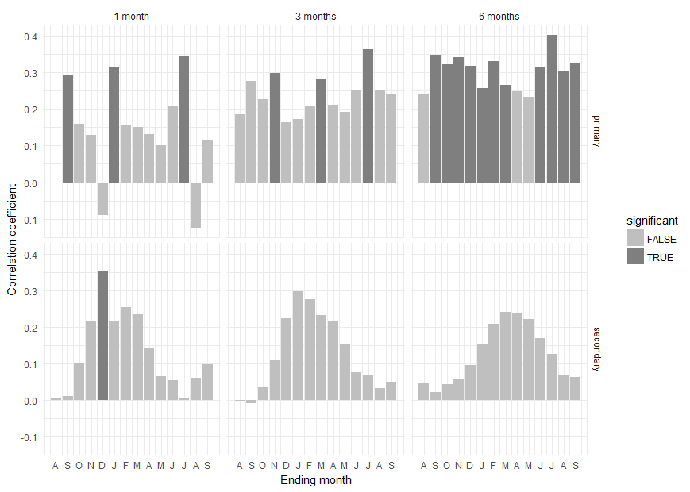
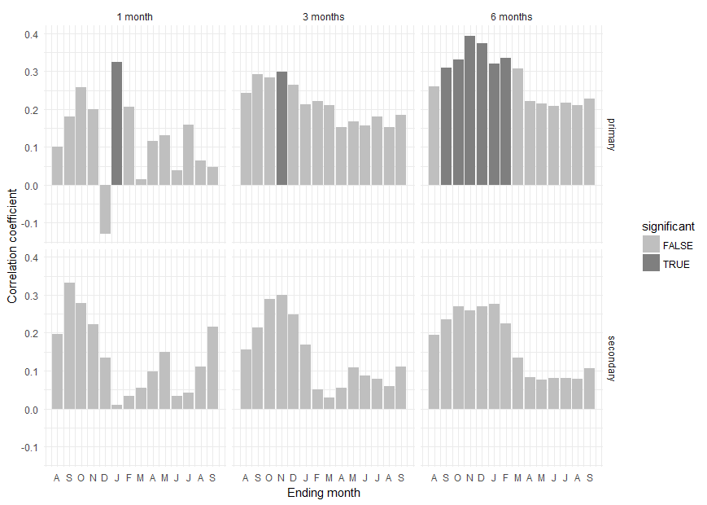
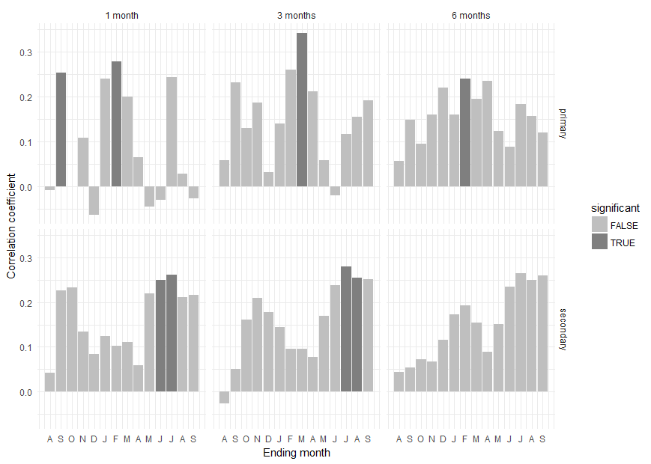

Results for a season length of 1 month: |  |  | Results for a season length of 1 month:
month type coef significant |  |  | month type coef significant |  |  |  | Results for a season length of 1 month:
1 Aug primary -0.001992459 FALSE |  |  | 1 Aug primary 0.101663743 FALSE |  |  |  | month type coef significant
2 Sep primary 0.292694110 TRUE |  |  | 2 Sep primary 0.181297520 FALSE |  |  |  | 1 Aug primary -0.0091480336 FALSE
3 Oct primary 0.160229665 FALSE |  |  | 3 Oct primary 0.257726652 FALSE |  |  |  | 2 Sep primary 0.2541850964 TRUE
4 Nov primary 0.129613598 FALSE |  |  | 4 Nov primary 0.199842132 FALSE |  |  |  | 3 Oct primary -0.0007764616 FALSE
5 Dec primary -0.089217264 FALSE |  |  | 5 Dec primary -0.128191292 FALSE |  |  |  | 4 Nov primary 0.1077371785 FALSE
6 JAN primary 0.317052197 TRUE |  |  | 6 JAN primary 0.325224336 TRUE |  |  |  | 5 Dec primary -0.0631587794 FALSE
7 FEB primary 0.157569626 FALSE |  |  | 7 FEB primary 0.206731036 FALSE |  |  |  | 6 JAN primary 0.2393453675 FALSE
8 MAR primary 0.150360632 FALSE |  |  | 8 MAR primary 0.015800579 FALSE |  |  |  | 7 FEB primary 0.2789085725 TRUE
9 APR primary 0.132082587 FALSE |  |  | 9 APR primary 0.115873828 FALSE |  |  |  | 8 MAR primary 0.1999018724 FALSE
10 MAY primary 0.100770798 FALSE |  |  | 10 MAY primary 0.131288341 FALSE |  |  |  | 9 APR primary 0.0639565461 FALSE
11 JUN primary 0.206993457 FALSE |  |  | 11 JUN primary 0.037585219 FALSE |  |  |  | 10 MAY primary -0.0461382629 FALSE
12 JUL primary 0.346991102 TRUE |  |  | 12 JUL primary 0.158283833 FALSE |  |  |  | 11 JUN primary -0.0298743060 FALSE
13 AUG primary -0.123941668 FALSE |  |  | 13 AUG primary 0.063201739 FALSE |  |  |  | 12 JUL primary 0.2437712944 FALSE
14 SEP primary 0.116504555 FALSE |  |  | 14 SEP primary 0.047597394 FALSE |  |  |  | 13 AUG primary 0.0284955698 FALSE
15 Aug secondary 0.007280196 FALSE |  |  | 15 Aug secondary 0.196462415 FALSE |  |  |  | 14 SEP primary -0.0267808045 FALSE
16 Sep secondary 0.011822125 FALSE |  |  | 16 Sep secondary 0.331317562 FALSE |  |  |  | 15 Aug secondary 0.0429520361 FALSE
17 Oct secondary 0.101747576 FALSE |  |  | 17 Oct secondary 0.279060934 FALSE |  |  |  | 16 Sep secondary 0.2253104930 FALSE
18 Nov secondary 0.214563322 FALSE |  |  | 18 Nov secondary 0.221560166 FALSE |  |  |  | 17 Oct secondary 0.2327593223 FALSE
19 Dec secondary 0.353920153 TRUE |  |  | 19 Dec secondary 0.134386643 FALSE |  |  |  | 18 Nov secondary 0.1350188517 FALSE
20 JAN secondary 0.214471463 FALSE |  |  | 20 JAN secondary 0.009539145 FALSE |  |  |  | 19 Dec secondary 0.0833126753 FALSE
21 FEB secondary 0.255197913 FALSE |  |  | 21 FEB secondary 0.033432222 FALSE |  |  |  | 20 JAN secondary 0.1249724028 FALSE
22 MAR secondary 0.234742570 FALSE |  |  | 22 MAR secondary 0.054862112 FALSE |  |  |  | 21 FEB secondary 0.1031540800 FALSE
23 APR secondary 0.142888242 FALSE |  |  | 23 APR secondary 0.097820760 FALSE |  |  |  | 22 MAR secondary 0.1110372653 FALSE
24 MAY secondary 0.065358893 FALSE |  |  | 24 MAY secondary 0.149201713 FALSE |  |  |  | 23 APR secondary 0.0598333589 FALSE
25 JUN secondary 0.054114426 FALSE |  |  | 25 JUN secondary 0.032272294 FALSE |  |  |  | 24 MAY secondary 0.2191436722 FALSE
26 JUL secondary 0.005020032 FALSE |  |  | 26 JUL secondary 0.042884282 FALSE |  |  |  | 25 JUN secondary 0.2491199796 TRUE
27 AUG secondary 0.060091250 FALSE |  |  | 27 AUG secondary 0.111245819 FALSE |  |  |  | 26 JUL secondary 0.2611450626 TRUE
28 SEP secondary 0.097719395 FALSE |  |  | 28 SEP secondary 0.215717183 FALSE |  |  |  | 27 AUG secondary 0.2103513914 FALSE
 |  |  |  |  |  |  | 28 SEP secondary 0.2162075230 FALSE
Results for a season length of 3 months: |  |  | Results for a season length of 3 months:
month type coef significant |  |  | month type coef significant |  |  |  | Results for a season length of 3 months:
1 Aug primary 0.185815832 FALSE |  |  | 1 Aug primary 0.24194356 FALSE |  |  |  | month type coef significant
2 Sep primary 0.276751361 FALSE |  |  | 2 Sep primary 0.29130056 FALSE |  |  |  | 1 Aug primary 0.05735299 FALSE
3 Oct primary 0.226454360 FALSE |  |  | 3 Oct primary 0.28402820 FALSE |  |  |  | 2 Sep primary 0.23126219 FALSE
4 Nov primary 0.298792685 TRUE |  |  | 4 Nov primary 0.29905816 TRUE |  |  |  | 3 Oct primary 0.12957700 FALSE
5 Dec primary 0.164543429 FALSE |  |  | 5 Dec primary 0.26458348 FALSE |  |  |  | 4 Nov primary 0.18695855 FALSE
6 JAN primary 0.173637864 FALSE |  |  | 6 JAN primary 0.21259022 FALSE |  |  |  | 5 Dec primary 0.03157268 FALSE
7 FEB primary 0.206861858 FALSE |  |  | 7 FEB primary 0.22061098 FALSE |  |  |  | 6 JAN primary 0.14010271 FALSE
8 MAR primary 0.280804433 TRUE |  |  | 8 MAR primary 0.20941906 FALSE |  |  |  | 7 FEB primary 0.26074245 FALSE
9 APR primary 0.211147256 FALSE |  |  | 9 APR primary 0.15283267 FALSE |  |  |  | 8 MAR primary 0.34267869 TRUE
10 MAY primary 0.192244493 FALSE |  |  | 10 MAY primary 0.16729341 FALSE |  |  |  | 9 APR primary 0.21187542 FALSE
11 JUN primary 0.250223611 FALSE |  |  | 11 JUN primary 0.15646476 FALSE |  |  |  | 10 MAY primary 0.05761712 FALSE
12 JUL primary 0.364372386 TRUE |  |  | 12 JUL primary 0.18001103 FALSE |  |  |  | 11 JUN primary -0.01997613 FALSE
13 AUG primary 0.250865422 FALSE |  |  | 13 AUG primary 0.15169143 FALSE |  |  |  | 12 JUL primary 0.11690535 FALSE
14 SEP primary 0.239369463 FALSE |  |  | 14 SEP primary 0.18424525 FALSE |  |  |  | 13 AUG primary 0.15481351 FALSE
15 Aug secondary -0.001414409 FALSE |  |  | 15 Aug secondary 0.15611282 FALSE |  |  |  | 14 SEP primary 0.19138806 FALSE
16 Sep secondary -0.008082119 FALSE |  |  | 16 Sep secondary 0.21479074 FALSE |  |  |  | 15 Aug secondary -0.02584763 FALSE
17 Oct secondary 0.034192649 FALSE |  |  | 17 Oct secondary 0.28907300 FALSE |  |  |  | 16 Sep secondary 0.05067126 FALSE
18 Nov secondary 0.109598710 FALSE |  |  | 18 Nov secondary 0.29975442 FALSE |  |  |  | 17 Oct secondary 0.16066682 FALSE
19 Dec secondary 0.224128090 FALSE |  |  | 19 Dec secondary 0.24779272 FALSE |  |  |  | 18 Nov secondary 0.20883168 FALSE
20 JAN secondary 0.297440285 FALSE |  |  | 20 JAN secondary 0.16797885 FALSE |  |  |  | 19 Dec secondary 0.17780022 FALSE
21 FEB secondary 0.275512678 FALSE |  |  | 21 FEB secondary 0.05001173 FALSE |  |  |  | 20 JAN secondary 0.14366935 FALSE
22 MAR secondary 0.232780277 FALSE |  |  | 22 MAR secondary 0.02811511 FALSE |  |  |  | 21 FEB secondary 0.09541679 FALSE
23 APR secondary 0.214385021 FALSE |  |  | 23 APR secondary 0.05374874 FALSE |  |  |  | 22 MAR secondary 0.09633006 FALSE
24 MAY secondary 0.151832044 FALSE |  |  | 24 MAY secondary 0.10912533 FALSE |  |  |  | 23 APR secondary 0.07777761 FALSE
25 JUN secondary 0.076060419 FALSE |  |  | 25 JUN secondary 0.08754615 FALSE |  |  |  | 24 MAY secondary 0.16951824 FALSE
26 JUL secondary 0.067664824 FALSE |  |  | 26 JUL secondary 0.07812476 FALSE |  |  |  | 25 JUN secondary 0.23723568 FALSE
27 AUG secondary 0.032435442 FALSE |  |  | 27 AUG secondary 0.05910020 FALSE |  |  |  | 26 JUL secondary 0.28001350 TRUE
28 SEP secondary 0.047661418 FALSE |  |  | 28 SEP secondary 0.11109018 FALSE |  |  |  | 27 AUG secondary 0.25394621 TRUE
 |  |  |  |  |  |  | 28 SEP secondary 0.25174871 FALSE
Results for a season length of 6 months: |  |  | Results for a season length of 6 months:
month type coef significant |  |  | month type coef significant |  |  |  | Results for a season length of 6 months:
1 Aug primary 0.24039871 FALSE |  |  | 1 Aug primary 0.26031644 FALSE |  |  |  | month type coef significant
2 Sep primary 0.34768652 TRUE |  |  | 2 Sep primary 0.30957058 TRUE |  |  |  | 1 Aug primary 0.05634264 FALSE
3 Oct primary 0.32364896 TRUE |  |  | 3 Oct primary 0.32981716 TRUE |  |  |  | 2 Sep primary 0.14767437 FALSE
4 Nov primary 0.34255109 TRUE |  |  | 4 Nov primary 0.39391912 TRUE |  |  |  | 3 Oct primary 0.09503137 FALSE
5 Dec primary 0.31817233 TRUE |  |  | 5 Dec primary 0.37418107 TRUE |  |  |  | 4 Nov primary 0.16058167 FALSE
6 JAN primary 0.25695220 TRUE |  |  | 6 JAN primary 0.32073677 TRUE |  |  |  | 5 Dec primary 0.22034521 FALSE
7 FEB primary 0.33071024 TRUE |  |  | 7 FEB primary 0.33449226 TRUE |  |  |  | 6 JAN primary 0.15913451 FALSE
8 MAR primary 0.26608265 TRUE |  |  | 8 MAR primary 0.30759444 FALSE |  |  |  | 7 FEB primary 0.24069388 TRUE
9 APR primary 0.24926285 FALSE |  |  | 9 APR primary 0.22023913 FALSE |  |  |  | 8 MAR primary 0.19450956 FALSE
10 MAY primary 0.23441193 FALSE |  |  | 10 MAY primary 0.21473991 FALSE |  |  |  | 9 APR primary 0.23448363 FALSE
11 JUN primary 0.31606951 TRUE |  |  | 11 JUN primary 0.20818591 FALSE |  |  |  | 10 MAY primary 0.12289094 FALSE
12 JUL primary 0.40387990 TRUE |  |  | 12 JUL primary 0.21772385 FALSE |  |  |  | 11 JUN primary 0.08859207 FALSE
13 AUG primary 0.30371956 TRUE |  |  | 13 AUG primary 0.20971212 FALSE |  |  |  | 12 JUL primary 0.18363029 FALSE
14 SEP primary 0.32494549 TRUE |  |  | 14 SEP primary 0.22710714 FALSE |  |  |  | 13 AUG primary 0.15627862 FALSE
15 Aug secondary 0.04481918 FALSE |  |  | 15 Aug secondary 0.19459996 FALSE |  |  |  | 14 SEP primary 0.11971103 FALSE
16 Sep secondary 0.02152008 FALSE |  |  | 16 Sep secondary 0.23633307 FALSE |  |  |  | 15 Aug secondary 0.04411617 FALSE
17 Oct secondary 0.04292765 FALSE |  |  | 17 Oct secondary 0.27047903 FALSE |  |  |  | 16 Sep secondary 0.05429848 FALSE
18 Nov secondary 0.05693898 FALSE |  |  | 18 Nov secondary 0.25861029 FALSE |  |  |  | 17 Oct secondary 0.07164450 FALSE
19 Dec secondary 0.09549892 FALSE |  |  | 19 Dec secondary 0.27023786 FALSE |  |  |  | 18 Nov secondary 0.06764523 FALSE
20 JAN secondary 0.15239703 FALSE |  |  | 20 JAN secondary 0.27532600 FALSE |  |  |  | 19 Dec secondary 0.11598264 FALSE
21 FEB secondary 0.20771488 FALSE |  |  | 21 FEB secondary 0.22526163 FALSE |  |  |  | 20 JAN secondary 0.17242952 FALSE
22 MAR secondary 0.24202153 FALSE |  |  | 22 MAR secondary 0.13490539 FALSE |  |  |  | 21 FEB secondary 0.19295512 FALSE
23 APR secondary 0.23989570 FALSE |  |  | 23 APR secondary 0.08218976 FALSE |  |  |  | 22 MAR secondary 0.15377877 FALSE
24 MAY secondary 0.22152279 FALSE |  |  | 24 MAY secondary 0.07659001 FALSE |  |  |  | 23 APR secondary 0.08896136 FALSE
25 JUN secondary 0.17026904 FALSE |  |  | 25 JUN secondary 0.08007180 FALSE |  |  |  | 24 MAY secondary 0.15035766 FALSE
26 JUL secondary 0.12672880 FALSE |  |  | 26 JUL secondary 0.08144133 FALSE |  |  |  | 25 JUN secondary 0.23447021 FALSE
27 AUG secondary 0.06794767 FALSE |  |  | 27 AUG secondary 0.07756292 FALSE |  |  |  | 26 JUL secondary 0.26412510 FALSE
28 SEP secondary 0.06411037 FALSE |  |  | 28 SEP secondary 0.10713792 FALSE |  |  |  | 27 AUG secondary 0.25021596 FALSE
 |  |  |  |  |  |  | 28 SEP secondary 0.25984862 FALSE

Flow
Cross Ranch 1930 - 1961 | flow / precipitation |  | Smith Grove 1930 - 1961 | flow / precipitation |  |  | kimball bottoms 1930-1961 | flow / precipitation
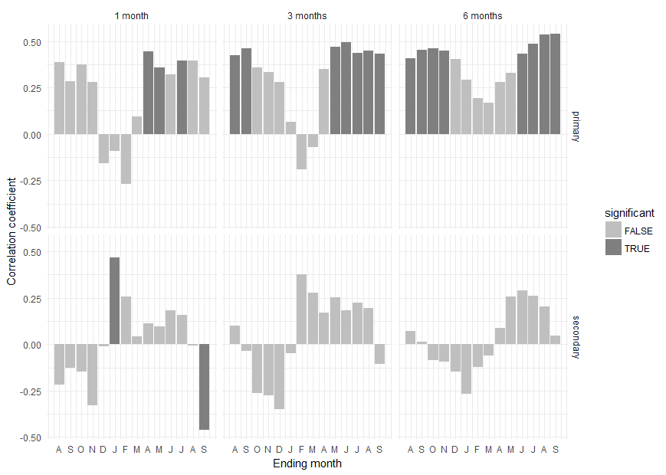
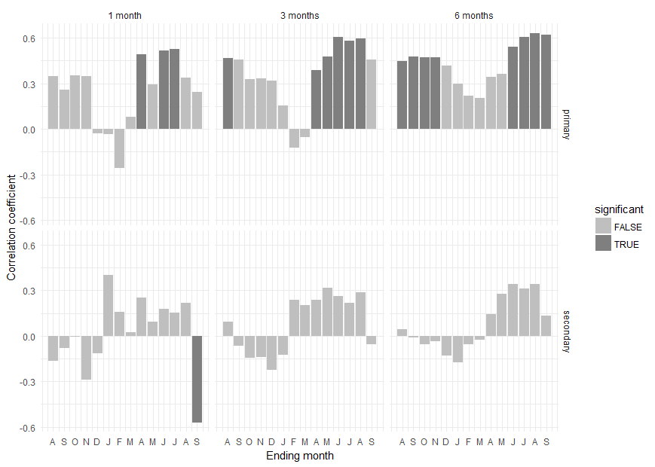
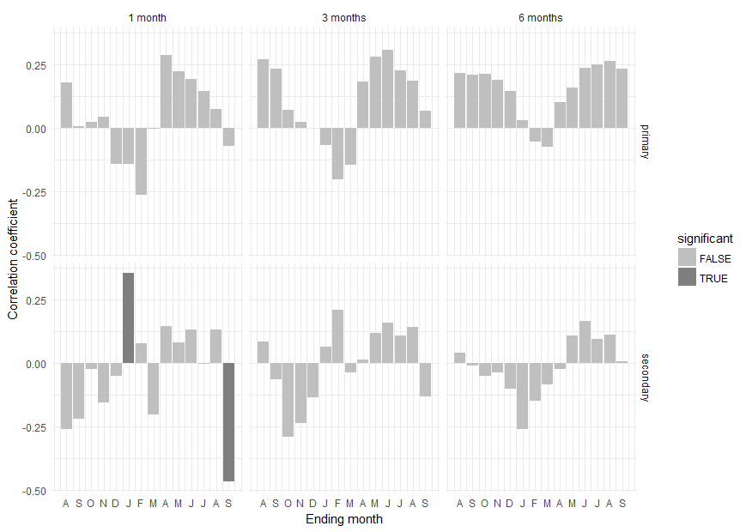

 |  |  |  |  |  |  | Results for a season length of 1 month:
Results for a season length of 1 month: |  |  | Results for a season length of 1 month: |  |  |  | month type coef significant
month type coef significant |  |  | month type coef significant |  |  |  | 1 Aug primary 0.385185174 FALSE
1 Aug primary 0.346720637 FALSE |  |  | 1 Aug primary 0.178146641 FALSE |  |  |  | 2 Sep primary 0.283115374 FALSE
2 Sep primary 0.259516000 FALSE |  |  | 2 Sep primary 0.004730103 FALSE |  |  |  | 3 Oct primary 0.373028796 FALSE
3 Oct primary 0.350809319 FALSE |  |  | 3 Oct primary 0.023982560 FALSE |  |  |  | 4 Nov primary 0.279087962 FALSE
4 Nov primary 0.349205321 FALSE |  |  | 4 Nov primary 0.041299155 FALSE |  |  |  | 5 Dec primary -0.156626011 FALSE
5 Dec primary -0.027135335 FALSE |  |  | 5 Dec primary -0.144163267 FALSE |  |  |  | 6 JAN primary -0.093495952 FALSE
6 JAN primary -0.036335585 FALSE |  |  | 6 JAN primary -0.141845010 FALSE |  |  |  | 7 FEB primary -0.271521787 FALSE
7 FEB primary -0.259351614 FALSE |  |  | 7 FEB primary -0.264018022 FALSE |  |  |  | 8 MAR primary 0.092211330 FALSE
8 MAR primary 0.082092030 FALSE |  |  | 8 MAR primary -0.004226488 FALSE |  |  |  | 9 APR primary 0.446224331 TRUE
9 APR primary 0.490819315 TRUE |  |  | 9 APR primary 0.285308236 FALSE |  |  |  | 10 MAY primary 0.359359712 TRUE
10 MAY primary 0.292496206 FALSE |  |  | 10 MAY primary 0.220465519 FALSE |  |  |  | 11 JUN primary 0.319681189 FALSE
11 JUN primary 0.516013368 TRUE |  |  | 11 JUN primary 0.192526048 FALSE |  |  |  | 12 JUL primary 0.393404491 TRUE
12 JUL primary 0.526898019 TRUE |  |  | 12 JUL primary 0.145044850 FALSE |  |  |  | 13 AUG primary 0.396038373 FALSE
13 AUG primary 0.336992962 FALSE |  |  | 13 AUG primary 0.072547812 FALSE |  |  |  | 14 SEP primary 0.302864960 FALSE
14 SEP primary 0.242773476 FALSE |  |  | 14 SEP primary -0.073130663 FALSE |  |  |  | 15 Aug secondary -0.218221816 FALSE
15 Aug secondary -0.165557669 FALSE |  |  | 15 Aug secondary -0.258037177 FALSE |  |  |  | 16 Sep secondary -0.125466741 FALSE
16 Sep secondary -0.081963436 FALSE |  |  | 16 Sep secondary -0.217292345 FALSE |  |  |  | 17 Oct secondary -0.145386923 FALSE
17 Oct secondary -0.006558922 FALSE |  |  | 17 Oct secondary -0.022680937 FALSE |  |  |  | 18 Nov secondary -0.330017748 FALSE
18 Nov secondary -0.287598308 FALSE |  |  | 18 Nov secondary -0.153685140 FALSE |  |  |  | 19 Dec secondary -0.010569114 FALSE
19 Dec secondary -0.115575370 FALSE |  |  | 19 Dec secondary -0.051145326 FALSE |  |  |  | 20 JAN secondary 0.469391589 TRUE
20 JAN secondary 0.398609126 FALSE |  |  | 20 JAN secondary 0.354626025 TRUE |  |  |  | 21 FEB secondary 0.255326432 FALSE
21 FEB secondary 0.156628455 FALSE |  |  | 21 FEB secondary 0.078615316 FALSE |  |  |  | 22 MAR secondary 0.043604711 FALSE
22 MAR secondary 0.023840118 FALSE |  |  | 22 MAR secondary -0.199978387 FALSE |  |  |  | 23 APR secondary 0.114725703 FALSE
23 APR secondary 0.252027825 FALSE |  |  | 23 APR secondary 0.144831580 FALSE |  |  |  | 24 MAY secondary 0.097193707 FALSE
24 MAY secondary 0.092251965 FALSE |  |  | 24 MAY secondary 0.080837096 FALSE |  |  |  | 25 JUN secondary 0.182281555 FALSE
25 JUN secondary 0.176512869 FALSE |  |  | 25 JUN secondary 0.133688037 FALSE |  |  |  | 26 JUL secondary 0.159520445 FALSE
26 JUL secondary 0.153532951 FALSE |  |  | 26 JUL secondary -0.003737345 FALSE |  |  |  | 27 AUG secondary -0.007158297 FALSE
27 AUG secondary 0.216719880 FALSE |  |  | 27 AUG secondary 0.133730956 FALSE |  |  |  | 28 SEP secondary -0.461870377 TRUE
28 SEP secondary -0.572834993 TRUE |  |  | 28 SEP secondary -0.465271633 TRUE
 |  |  |  |  |  |  | Results for a season length of 3 months:
Results for a season length of 3 months: |  |  | Results for a season length of 3 months: |  |  |  | month type coef significant
month type coef significant |  |  | month type coef significant |  |  |  | 1 Aug primary 0.42394812 TRUE
1 Aug primary 0.46670838 TRUE |  |  | 1 Aug primary 0.270049013 FALSE |  |  |  | 2 Sep primary 0.46107852 TRUE
2 Sep primary 0.45615025 FALSE |  |  | 2 Sep primary 0.230653705 FALSE |  |  |  | 3 Oct primary 0.35819782 FALSE
3 Oct primary 0.32938614 FALSE |  |  | 3 Oct primary 0.068234146 FALSE |  |  |  | 4 Nov primary 0.33298276 FALSE
4 Nov primary 0.33218683 FALSE |  |  | 4 Nov primary 0.021812094 FALSE |  |  |  | 5 Dec primary 0.27878697 FALSE
5 Dec primary 0.31812051 FALSE |  |  | 5 Dec primary -0.001513974 FALSE |  |  |  | 6 JAN primary 0.06336917 FALSE
6 JAN primary 0.15636423 FALSE |  |  | 6 JAN primary -0.069853168 FALSE |  |  |  | 7 FEB primary -0.19145359 FALSE
7 FEB primary -0.12416401 FALSE |  |  | 7 FEB primary -0.202492070 FALSE |  |  |  | 8 MAR primary -0.06952933 FALSE
8 MAR primary -0.05223312 FALSE |  |  | 8 MAR primary -0.147043776 FALSE |  |  |  | 9 APR primary 0.34975748 FALSE
9 APR primary 0.38557290 TRUE |  |  | 9 APR primary 0.180249017 FALSE |  |  |  | 10 MAY primary 0.47117976 TRUE
10 MAY primary 0.47686938 TRUE |  |  | 10 MAY primary 0.277280550 FALSE |  |  |  | 11 JUN primary 0.49432235 TRUE
11 JUN primary 0.60467261 TRUE |  |  | 11 JUN primary 0.307449726 FALSE |  |  |  | 12 JUL primary 0.43553160 TRUE
12 JUL primary 0.58214798 TRUE |  |  | 12 JUL primary 0.225061162 FALSE |  |  |  | 13 AUG primary 0.44908803 TRUE
13 AUG primary 0.59488393 TRUE |  |  | 13 AUG primary 0.185666499 FALSE |  |  |  | 14 SEP primary 0.43332961 TRUE
14 SEP primary 0.45617494 FALSE |  |  | 14 SEP primary 0.067253470 FALSE |  |  |  | 15 Aug secondary 0.09856204 FALSE
15 Aug secondary 0.09111995 FALSE |  |  | 15 Aug secondary 0.085074432 FALSE |  |  |  | 16 Sep secondary -0.03487350 FALSE
16 Sep secondary -0.06665431 FALSE |  |  | 16 Sep secondary -0.064774646 FALSE |  |  |  | 17 Oct secondary -0.26341386 FALSE
17 Oct secondary -0.14390296 FALSE |  |  | 17 Oct secondary -0.287740788 FALSE |  |  |  | 18 Nov secondary -0.27547040 FALSE
18 Nov secondary -0.13957699 FALSE |  |  | 18 Nov secondary -0.236035374 FALSE |  |  |  | 19 Dec secondary -0.34769329 FALSE
19 Dec secondary -0.22336909 FALSE |  |  | 19 Dec secondary -0.135447476 FALSE |  |  |  | 20 JAN secondary -0.04985651 FALSE
20 JAN secondary -0.12601015 FALSE |  |  | 20 JAN secondary 0.064757020 FALSE |  |  |  | 21 FEB secondary 0.37725079 FALSE
21 FEB secondary 0.23799889 FALSE |  |  | 21 FEB secondary 0.211630874 FALSE |  |  |  | 22 MAR secondary 0.27888210 FALSE
22 MAR secondary 0.20197535 FALSE |  |  | 22 MAR secondary -0.035410977 FALSE |  |  |  | 23 APR secondary 0.17058479 FALSE
23 APR secondary 0.23937102 FALSE |  |  | 23 APR secondary 0.012887589 FALSE |  |  |  | 24 MAY secondary 0.25204048 FALSE
24 MAY secondary 0.31396664 FALSE |  |  | 24 MAY secondary 0.119749816 FALSE |  |  |  | 25 JUN secondary 0.18272879 FALSE
25 JUN secondary 0.26100438 FALSE |  |  | 25 JUN secondary 0.161131181 FALSE |  |  |  | 26 JUL secondary 0.22233726 FALSE
26 JUL secondary 0.21941605 FALSE |  |  | 26 JUL secondary 0.107730808 FALSE |  |  |  | 27 AUG secondary 0.19514067 FALSE
27 AUG secondary 0.28625984 FALSE |  |  | 27 AUG secondary 0.142060695 FALSE |  |  |  | 28 SEP secondary -0.10743085 FALSE
28 SEP secondary -0.05600146 FALSE |  |  | 28 SEP secondary -0.131925421 FALSE
 |  |  |  |  |  |  | Results for a season length of 6 months:
Results for a season length of 6 months: |  |  | Results for a season length of 6 months: |  |  |  | month type coef significant
month type coef significant |  |  | month type coef significant |  |  |  | 1 Aug primary 0.40676954 TRUE
1 Aug primary 0.448487624 TRUE |  |  | 1 Aug primary 0.214164219 FALSE |  |  |  | 2 Sep primary 0.45473035 TRUE
2 Sep primary 0.476564526 TRUE |  |  | 2 Sep primary 0.206426335 FALSE |  |  |  | 3 Oct primary 0.46014642 TRUE
3 Oct primary 0.473057558 TRUE |  |  | 3 Oct primary 0.212784037 FALSE |  |  |  | 4 Nov primary 0.44714137 TRUE
4 Nov primary 0.474688187 TRUE |  |  | 4 Nov primary 0.187671801 FALSE |  |  |  | 5 Dec primary 0.40507487 FALSE
5 Dec primary 0.418066516 FALSE |  |  | 5 Dec primary 0.144928058 FALSE |  |  |  | 6 JAN primary 0.29009276 FALSE
6 JAN primary 0.299085897 FALSE |  |  | 6 JAN primary 0.028261958 FALSE |  |  |  | 7 FEB primary 0.19386077 FALSE
7 FEB primary 0.217457310 FALSE |  |  | 7 FEB primary -0.055684647 FALSE |  |  |  | 8 MAR primary 0.16633709 FALSE
8 MAR primary 0.203659199 FALSE |  |  | 8 MAR primary -0.076250631 FALSE |  |  |  | 9 APR primary 0.27781009 FALSE
9 APR primary 0.342500348 FALSE |  |  | 9 APR primary 0.100223039 FALSE |  |  |  | 10 MAY primary 0.32947183 FALSE
10 MAY primary 0.360957749 FALSE |  |  | 10 MAY primary 0.158387911 FALSE |  |  |  | 11 JUN primary 0.43362297 TRUE
11 JUN primary 0.541605703 TRUE |  |  | 11 JUN primary 0.234327068 FALSE |  |  |  | 12 JUL primary 0.48419914 TRUE
12 JUL primary 0.607814707 TRUE |  |  | 12 JUL primary 0.249975388 FALSE |  |  |  | 13 AUG primary 0.53419353 TRUE
13 AUG primary 0.633269307 TRUE |  |  | 13 AUG primary 0.262489833 FALSE |  |  |  | 14 SEP primary 0.54136005 TRUE
14 SEP primary 0.623531955 TRUE |  |  | 14 SEP primary 0.230827610 FALSE |  |  |  | 15 Aug secondary 0.07127004 FALSE
15 Aug secondary 0.045075765 FALSE |  |  | 15 Aug secondary 0.041028271 FALSE |  |  |  | 16 Sep secondary 0.01457085 FALSE
16 Sep secondary -0.008756794 FALSE |  |  | 16 Sep secondary -0.009762095 FALSE |  |  |  | 17 Oct secondary -0.08515653 FALSE
17 Oct secondary -0.055171934 FALSE |  |  | 17 Oct secondary -0.049556355 FALSE |  |  |  | 18 Nov secondary -0.09295915 FALSE
18 Nov secondary -0.035841338 FALSE |  |  | 18 Nov secondary -0.035693330 FALSE |  |  |  | 19 Dec secondary -0.14689608 FALSE
19 Dec secondary -0.131229165 FALSE |  |  | 19 Dec secondary -0.098956980 FALSE |  |  |  | 20 JAN secondary -0.26615980 FALSE
20 JAN secondary -0.173508334 FALSE |  |  | 20 JAN secondary -0.260211999 FALSE |  |  |  | 21 FEB secondary -0.12204862 FALSE
21 FEB secondary -0.053519821 FALSE |  |  | 21 FEB secondary -0.147217897 FALSE |  |  |  | 22 MAR secondary -0.05948882 FALSE
22 MAR secondary -0.025148069 FALSE |  |  | 22 MAR secondary -0.081840100 FALSE |  |  |  | 23 APR secondary 0.08744882 FALSE
23 APR secondary 0.143726970 FALSE |  |  | 23 APR secondary -0.021277213 FALSE |  |  |  | 24 MAY secondary 0.25689418 FALSE
24 MAY secondary 0.278481500 FALSE |  |  | 24 MAY secondary 0.109343737 FALSE |  |  |  | 25 JUN secondary 0.28854223 FALSE
25 JUN secondary 0.340871745 FALSE |  |  | 25 JUN secondary 0.166567700 FALSE |  |  |  | 26 JUL secondary 0.26011445 FALSE
26 JUL secondary 0.313920858 FALSE |  |  | 26 JUL secondary 0.094131110 FALSE |  |  |  | 27 AUG secondary 0.20285640 FALSE
27 AUG secondary 0.339749349 FALSE |  |  | 27 AUG secondary 0.112716836 FALSE |  |  |  | 28 SEP secondary 0.04738886 FALSE
28 SEP secondary 0.131221114 FALSE |  |  | 28 SEP secondary 0.008915271 FALSE

Cross Ranch 1954 - 2014 | flow / precipitation |  | Smith Grove 1954 - 2014 | flow / precipitation |  |  | kimball bottoms 1954 - 2014 | flow / precipitation
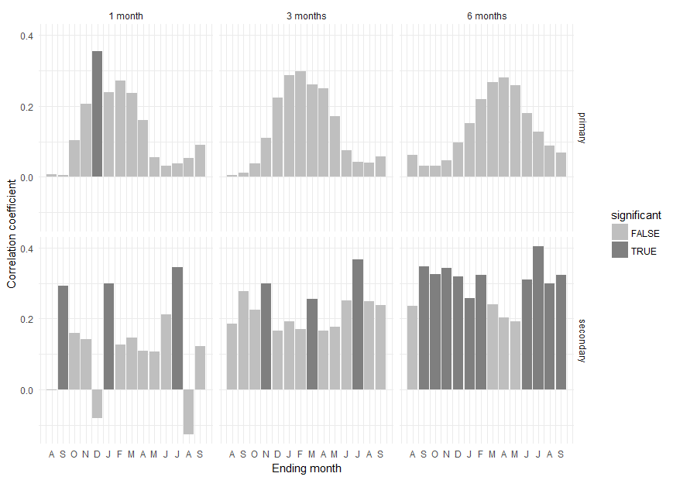
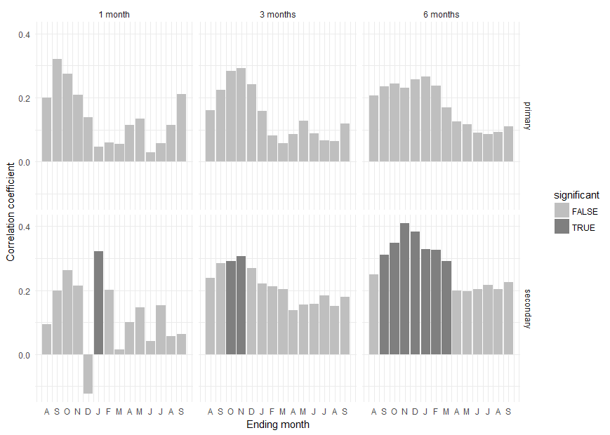
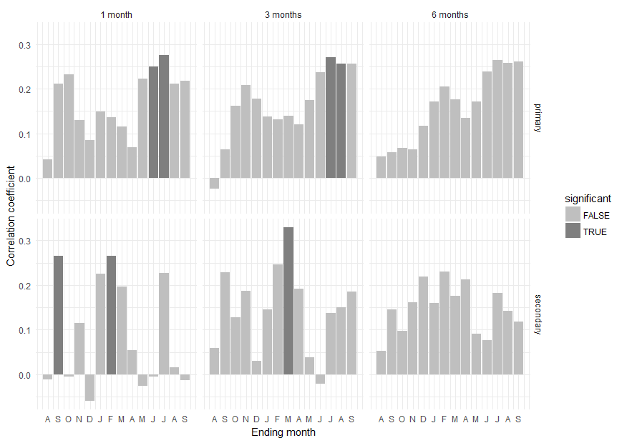

Results for a season length of 1 month: |  |  | Results for a season length of 1 month: |  |  |  | Results for a season length of 1 month:
month type coef significant |  |  | month type coef significant |  |  |  | month type coef significant
1 Aug primary 0.007161049 FALSE |  |  | 1 Aug primary 0.20068418 FALSE |  |  |  | 1 Aug primary 0.042389166 FALSE
2 Sep primary 0.003954163 FALSE |  |  | 2 Sep primary 0.32117382 FALSE |  |  |  | 2 Sep primary 0.211461566 FALSE
3 Oct primary 0.103280740 FALSE |  |  | 3 Oct primary 0.27419698 FALSE |  |  |  | 3 Oct primary 0.232708194 FALSE
4 Nov primary 0.207041098 FALSE |  |  | 4 Nov primary 0.20838412 FALSE |  |  |  | 4 Nov primary 0.129523452 FALSE
5 Dec primary 0.355819753 TRUE |  |  | 5 Dec primary 0.13833880 FALSE |  |  |  | 5 Dec primary 0.085625593 FALSE
6 JAN primary 0.239350472 FALSE |  |  | 6 JAN primary 0.04728192 FALSE |  |  |  | 6 JAN primary 0.148698886 FALSE
7 FEB primary 0.271082931 FALSE |  |  | 7 FEB primary 0.06049682 FALSE |  |  |  | 7 FEB primary 0.136039454 FALSE
8 MAR primary 0.237426644 FALSE |  |  | 8 MAR primary 0.05539731 FALSE |  |  |  | 8 MAR primary 0.116046643 FALSE
9 APR primary 0.160376942 FALSE |  |  | 9 APR primary 0.11392928 FALSE |  |  |  | 9 APR primary 0.068892319 FALSE
10 MAY primary 0.055358773 FALSE |  |  | 10 MAY primary 0.13504051 FALSE |  |  |  | 10 MAY primary 0.222255768 FALSE
11 JUN primary 0.031602978 FALSE |  |  | 11 JUN primary 0.02825722 FALSE |  |  |  | 11 JUN primary 0.250756208 TRUE
12 JUL primary 0.038686457 FALSE |  |  | 12 JUL primary 0.05764982 FALSE |  |  |  | 12 JUL primary 0.275934885 TRUE
13 AUG primary 0.052072132 FALSE |  |  | 13 AUG primary 0.11462075 FALSE |  |  |  | 13 AUG primary 0.211598359 FALSE
14 SEP primary 0.089212793 FALSE |  |  | 14 SEP primary 0.21189150 FALSE |  |  |  | 14 SEP primary 0.217420167 FALSE
15 Aug secondary -0.002385500 FALSE |  |  | 15 Aug secondary 0.09277151 FALSE |  |  |  | 15 Aug secondary -0.011480636 FALSE
16 Sep secondary 0.292887926 TRUE |  |  | 16 Sep secondary 0.20001547 FALSE |  |  |  | 16 Sep secondary 0.265580344 TRUE
17 Oct secondary 0.159260703 FALSE |  |  | 17 Oct secondary 0.26294399 FALSE |  |  |  | 17 Oct secondary -0.005075828 FALSE
18 Nov secondary 0.141624352 FALSE |  |  | 18 Nov secondary 0.21359423 FALSE |  |  |  | 18 Nov secondary 0.114318450 FALSE
19 Dec secondary -0.080176966 FALSE |  |  | 19 Dec secondary -0.12390392 FALSE |  |  |  | 19 Dec secondary -0.059974789 FALSE
20 JAN secondary 0.299581796 TRUE |  |  | 20 JAN secondary 0.32225583 TRUE |  |  |  | 20 JAN secondary 0.225890486 FALSE
21 FEB secondary 0.126606339 FALSE |  |  | 21 FEB secondary 0.20073683 FALSE |  |  |  | 21 FEB secondary 0.265328355 TRUE
22 MAR secondary 0.145930247 FALSE |  |  | 22 MAR secondary 0.01380149 FALSE |  |  |  | 22 MAR secondary 0.197113569 FALSE
23 APR secondary 0.109986587 FALSE |  |  | 23 APR secondary 0.10008651 FALSE |  |  |  | 23 APR secondary 0.054069868 FALSE
24 MAY secondary 0.106552143 FALSE |  |  | 24 MAY secondary 0.14582845 FALSE |  |  |  | 24 MAY secondary -0.026206020 FALSE
25 JUN secondary 0.211412118 FALSE |  |  | 25 JUN secondary 0.04068820 FALSE |  |  |  | 25 JUN secondary -0.004523459 FALSE
26 JUL secondary 0.345118254 TRUE |  |  | 26 JUL secondary 0.15362844 FALSE |  |  |  | 26 JUL secondary 0.226577596 FALSE
27 AUG secondary -0.127473838 FALSE |  |  | 27 AUG secondary 0.05679008 FALSE |  |  |  | 27 AUG secondary 0.016174813 FALSE
28 SEP secondary 0.123103491 FALSE |  |  | 28 SEP secondary 0.06304306 FALSE |  |  |  | 28 SEP secondary -0.012871713 FALSE

Results for a season length of 3 months: |  |  | Results for a season length of 3 months: |  |  |  | Results for a season length of 3 months:
month type coef significant |  |  | month type coef significant |  |  |  | month type coef significant
1 Aug primary 0.005834384 FALSE |  |  | 1 Aug primary 0.16076520 FALSE |  |  |  | 1 Aug primary -0.02355613 FALSE
2 Sep primary 0.011071360 FALSE |  |  | 2 Sep primary 0.22480917 FALSE |  |  |  | 2 Sep primary 0.06490996 FALSE
3 Oct primary 0.037530635 FALSE |  |  | 3 Oct primary 0.28242742 FALSE |  |  |  | 3 Oct primary 0.16170606 FALSE
4 Nov primary 0.110391004 FALSE |  |  | 4 Nov primary 0.29180586 FALSE |  |  |  | 4 Nov primary 0.20875152 FALSE
5 Dec primary 0.223252711 FALSE |  |  | 5 Dec primary 0.24247713 FALSE |  |  |  | 5 Dec primary 0.17811771 FALSE
6 JAN primary 0.287191375 FALSE |  |  | 6 JAN primary 0.15722330 FALSE |  |  |  | 6 JAN primary 0.13767703 FALSE
7 FEB primary 0.298234753 FALSE |  |  | 7 FEB primary 0.08222367 FALSE |  |  |  | 7 FEB primary 0.13123172 FALSE
8 MAR primary 0.261499681 FALSE |  |  | 8 MAR primary 0.05734328 FALSE |  |  |  | 8 MAR primary 0.13887084 FALSE
9 APR primary 0.250563595 FALSE |  |  | 9 APR primary 0.08517609 FALSE |  |  |  | 9 APR primary 0.12039846 FALSE
10 MAY primary 0.170854577 FALSE |  |  | 10 MAY primary 0.12676302 FALSE |  |  |  | 10 MAY primary 0.17489828 FALSE
11 JUN primary 0.074623434 FALSE |  |  | 11 JUN primary 0.08708203 FALSE |  |  |  | 11 JUN primary 0.23710802 FALSE
12 JUL primary 0.041912694 FALSE |  |  | 12 JUL primary 0.06634836 FALSE |  |  |  | 12 JUL primary 0.27089514 TRUE
13 AUG primary 0.040855726 FALSE |  |  | 13 AUG primary 0.06410681 FALSE |  |  |  | 13 AUG primary 0.25655560 TRUE
14 SEP primary 0.057801554 FALSE |  |  | 14 SEP primary 0.11797368 FALSE |  |  |  | 14 SEP primary 0.25606441 FALSE
15 Aug secondary 0.185732575 FALSE |  |  | 15 Aug secondary 0.23898100 FALSE |  |  |  | 15 Aug secondary 0.05832893 FALSE
16 Sep secondary 0.276655815 FALSE |  |  | 16 Sep secondary 0.28392093 FALSE |  |  |  | 16 Sep secondary 0.22785499 FALSE
17 Oct secondary 0.225951594 FALSE |  |  | 17 Oct secondary 0.29063074 TRUE |  |  |  | 17 Oct secondary 0.12826518 FALSE
18 Nov secondary 0.298523659 TRUE |  |  | 18 Nov secondary 0.30678300 TRUE |  |  |  | 18 Nov secondary 0.18704886 FALSE
19 Dec secondary 0.165757509 FALSE |  |  | 19 Dec secondary 0.26940574 FALSE |  |  |  | 19 Dec secondary 0.02966902 FALSE
20 JAN secondary 0.191007005 FALSE |  |  | 20 JAN secondary 0.22049693 FALSE |  |  |  | 20 JAN secondary 0.14599153 FALSE
21 FEB secondary 0.170571638 FALSE |  |  | 21 FEB secondary 0.21116196 FALSE |  |  |  | 21 FEB secondary 0.24553722 FALSE
22 MAR secondary 0.254588343 TRUE |  |  | 22 MAR secondary 0.20361781 FALSE |  |  |  | 22 MAR secondary 0.32927853 TRUE
23 APR secondary 0.165636201 FALSE |  |  | 23 APR secondary 0.13806739 FALSE |  |  |  | 23 APR secondary 0.19158620 FALSE
24 MAY secondary 0.175695008 FALSE |  |  | 24 MAY secondary 0.15452170 FALSE |  |  |  | 24 MAY secondary 0.03761160 FALSE
25 JUN secondary 0.250631134 FALSE |  |  | 25 JUN secondary 0.15671914 FALSE |  |  |  | 25 JUN secondary -0.02152170 FALSE
26 JUL secondary 0.367721018 TRUE |  |  | 26 JUL secondary 0.18454672 FALSE |  |  |  | 26 JUL secondary 0.13789120 FALSE
27 AUG secondary 0.249708227 FALSE |  |  | 27 AUG secondary 0.14968349 FALSE |  |  |  | 27 AUG secondary 0.15025126 FALSE
28 SEP secondary 0.237247184 FALSE |  |  | 28 SEP secondary 0.18000438 FALSE |  |  |  | 28 SEP secondary 0.18539134 FALSE

Results for a season length of 6 months: |  |  | Results for a season length of 6 months: |  |  |  | Results for a season length of 6 months:
month type coef significant |  |  | month type coef significant |  |  |  | month type coef significant
1 Aug primary 0.06181811 FALSE |  |  | 1 Aug primary 0.20730656 FALSE |  |  |  | 1 Aug primary 0.04823846 FALSE
2 Sep primary 0.03185382 FALSE |  |  | 2 Sep primary 0.23500301 FALSE |  |  |  | 2 Sep primary 0.05863700 FALSE
3 Oct primary 0.03009417 FALSE |  |  | 3 Oct primary 0.24450813 FALSE |  |  |  | 3 Oct primary 0.06819917 FALSE
4 Nov primary 0.04703087 FALSE |  |  | 4 Nov primary 0.23023665 FALSE |  |  |  | 4 Nov primary 0.06373011 FALSE
5 Dec primary 0.09648397 FALSE |  |  | 5 Dec primary 0.25757616 FALSE |  |  |  | 5 Dec primary 0.11724224 FALSE
6 JAN primary 0.15039443 FALSE |  |  | 6 JAN primary 0.26466173 FALSE |  |  |  | 6 JAN primary 0.17215511 FALSE
7 FEB primary 0.22023663 FALSE |  |  | 7 FEB primary 0.23673313 FALSE |  |  |  | 7 FEB primary 0.20477705 FALSE
8 MAR primary 0.26693603 FALSE |  |  | 8 MAR primary 0.16853407 FALSE |  |  |  | 8 MAR primary 0.17561112 FALSE
9 APR primary 0.28005302 FALSE |  |  | 9 APR primary 0.12520991 FALSE |  |  |  | 9 APR primary 0.13440657 FALSE
10 MAY primary 0.25874497 FALSE |  |  | 10 MAY primary 0.11714540 FALSE |  |  |  | 10 MAY primary 0.17119968 FALSE
11 JUN primary 0.18015270 FALSE |  |  | 11 JUN primary 0.09062704 FALSE |  |  |  | 11 JUN primary 0.23842823 FALSE
12 JUL primary 0.12709722 FALSE |  |  | 12 JUL primary 0.08549945 FALSE |  |  |  | 12 JUL primary 0.26463002 FALSE
13 AUG primary 0.08746026 FALSE |  |  | 13 AUG primary 0.09143880 FALSE |  |  |  | 13 AUG primary 0.25822429 FALSE
14 SEP primary 0.06865368 FALSE |  |  | 14 SEP primary 0.10992633 FALSE |  |  |  | 14 SEP primary 0.26086331 FALSE
15 Aug secondary 0.23680588 FALSE |  |  | 15 Aug secondary 0.25057945 FALSE |  |  |  | 15 Aug secondary 0.05285928 FALSE
16 Sep secondary 0.34698781 TRUE |  |  | 16 Sep secondary 0.31053809 TRUE |  |  |  | 16 Sep secondary 0.14603691 FALSE
17 Oct secondary 0.32494365 TRUE |  |  | 17 Oct secondary 0.34850693 TRUE |  |  |  | 17 Oct secondary 0.09752256 FALSE
18 Nov secondary 0.34387866 TRUE |  |  | 18 Nov secondary 0.40932417 TRUE |  |  |  | 18 Nov secondary 0.16214069 FALSE
19 Dec secondary 0.31790261 TRUE |  |  | 19 Dec secondary 0.38231819 TRUE |  |  |  | 19 Dec secondary 0.21970118 FALSE
20 JAN secondary 0.25807726 TRUE |  |  | 20 JAN secondary 0.32928313 TRUE |  |  |  | 20 JAN secondary 0.15943266 FALSE
21 FEB secondary 0.32303768 TRUE |  |  | 21 FEB secondary 0.32695386 TRUE |  |  |  | 21 FEB secondary 0.23088981 FALSE
22 MAR secondary 0.24106709 FALSE |  |  | 22 MAR secondary 0.29172838 TRUE |  |  |  | 22 MAR secondary 0.17519851 FALSE
23 APR secondary 0.20219537 FALSE |  |  | 23 APR secondary 0.19970096 FALSE |  |  |  | 23 APR secondary 0.21263399 FALSE
24 MAY secondary 0.19194381 FALSE |  |  | 24 MAY secondary 0.19625047 FALSE |  |  |  | 24 MAY secondary 0.09111635 FALSE
25 JUN secondary 0.31093072 TRUE |  |  | 25 JUN secondary 0.20396917 FALSE |  |  |  | 25 JUN secondary 0.07667836 FALSE
26 JUL secondary 0.40378141 TRUE |  |  | 26 JUL secondary 0.21622574 FALSE |  |  |  | 26 JUL secondary 0.18287340 FALSE
27 AUG secondary 0.29911815 TRUE |  |  | 27 AUG secondary 0.20425073 FALSE |  |  |  | 27 AUG secondary 0.14201021 FALSE
28 SEP secondary 0.32411035 TRUE |  |  | 28 SEP secondary 0.22582424 FALSE |  |  |  | 28 SEP secondary 0.11735380 FALSE

PDSI
need to figure out how to get the pdsi data…

